1
1. What is the average number of orders per customer? Are there high-value repeat customers?

CustomerName | TotalOrders | TotalOrderValue | AvgOrderValue
QUICK-Stop | 86 | 110277.3 | 1282.29
Simons bistro | 15 | 16817.1 | 1121.14
Ernst Handel | 102 | 104874.98 | 1028.19
Hanari Carnes | 32 | 32841.37 | 1026.29
Piccolo und mehr | 23 | 23128.86 | 1005.6
Hungry Owl All-Night Grocers | 55 | 49979.9 | 908.73
Mère Paillarde | 32 | 28872.19 | 902.26
Save-a-lot Markets | 116 | 104361.95 | 899.67
Great Lakes Food Market | 22 | 18507.45 | 841.25
Königlich Essen | 39 | 30908.38 | 792.52
Folies gourmandes | 16 | 11666.9 | 729.18
Rattlesnake Canyon Grocery | 71 | 51097.8 | 719.69
Blondel père et fils | 26 | 18534.08 | 712.85 | QUICK-Stop stands out with the highest total order value of 110,277.3, despite having fewer orders (86) than some others, indicating consistently large orders. Ernst Handel and Save-a-lot Markets also have high total order values (104,874.98 and 104,361.95, respectively) alongside high order counts.
Bólido Comidas preparadas | 6 | 4232.85 | 705.47
Eastern Connection | 21 | 14761.04 | 702.91
White Clover Markets | 40 | 27363.6 | 684.09
Folk och fä HB | 45 | 29567.56 | 657.06
Richter Supermarkt | 30 | 19343.78 | 644.79
Queen Cozinha | 40 | 25717.5 | 642.94
Old World Delicatessen | 24 | 15177.46 | 632.39
Seven Seas Imports | 26 | 16215.32 | 623.67
Suprêmes délices | 39 | 24088.78 | 617.66
Bottom-Dollar Markets | 35 | 20801.6 | 594.33
Maison Dewey | 17 | 9736.07 | 572.71
Split Rail Beer & Ale | 20 | 11441.63 | 572.08 | REPEAT ORDERS
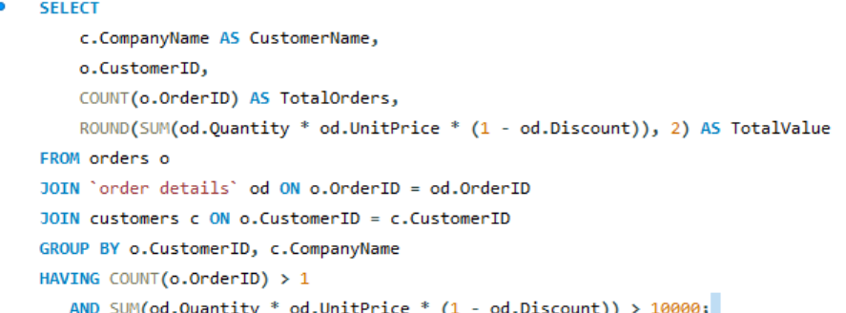
Chop-suey Chinese | 22 | 12348.88 | 561.31
Frankenversand | 48 | 26656.56 | 555.34
France restauration | 6 | 3172.16 | 528.69
Tradição Hipermercados | 13 | 6850.66 | 526.97
Vaffeljernet | 31 | 15843.92 | 511.09
HILARIÓN-Abastos | 45 | 22768.76 | 505.97
Princesa Isabel Vinhos | 10 | 5044.94 | 504.49
Bon app' | 44 | 21963.25 | 499.16
Lehmanns Marktstand | 39 | 19261.41 | 493.88
The Big Cheese | 7 | 3361 | 480.14
Berglunds snabbköp | 52 | 24927.58 | 479.38
LILA-Supermercado | 34 | 16076.6 | 472.84
LINO-Delicateses | 35 | 16476.56 | 470.76
Ricardo Adocicados | 27 | 12450.8 | 461.14
Morgenstern Gesundkost | 11 | 5042.2 | 458.38
Around the Horn | 30 | 13390.65 | 446.35 | CustomerName |  | TotalOrders | TotalOrderValue
Gourmet Lanchonetes | 19 | 8414.13 | 442.85 | Save-a-lot Markets | SAVEA | 116 | 104361.95
Godos Cocina Típica | 26 | 11446.36 | 440.24 | Ernst Handel | ERNSH | 102 | 104874.98
Ottilies Käseladen | 29 | 12496.2 | 430.9 | QUICK-Stop | QUICK | 86 | 110277.3
Wartian Herkku | 37 | 15648.7 | 422.94 | Rattlesnake Canyon Grocery | RATTC | 71 | 51097.8
Antonio Moreno Taquería | 17 | 7023.98 | 413.18 | Hungry Owl All-Night Grocers | HUNGO | 55 | 49979.9
Spécialités du monde | 6 | 2423.35 | 403.89 | Berglunds snabbköp | BERGS | 52 | 24927.58
Comércio Mineiro | 10 | 3810.75 | 381.08 | Frankenversand | FRANK | 48 | 26656.56
Drachenblut Delikatessen | 10 | 3763.21 | 376.32 | Folk och fä HB | FOLKO | 45 | 29567.56
Tortuga Restaurante | 29 | 10812.15 | 372.83 | HILARIÓN-Abastos | HILAA | 45 | 22768.76
GROSELLA-Restaurante | 4 | 1488.7 | 372.18 | Bon app' | BONAP | 44 | 21963.25
Die Wandernde Kuh | 26 | 9588.42 | 368.79 | Queen Cozinha | QUEEN | 40 | 25717.5
Victuailles en stock | 25 | 9182.43 | 367.3 | White Clover Markets | WHITC | 40 | 27363.6
Santé Gourmet | 16 | 5735.15 | 358.45 | Königlich Essen | KOENE | 39 | 30908.38
Alfreds Futterkiste | 12 | 4273 | 356.08 | Lehmanns Marktstand | LEHMS | 39 | 19261.41
Magazzini Alimentari Riuniti | 21 | 7176.21 | 341.72 | Suprêmes délices | SUPRD | 39 | 24088.78
Toms Spezialitäten | 14 | 4778.14 | 341.3 | Wartian Herkku | WARTH | 37 | 15648.7
Hungry Coyote Import Store | 9 | 3063.2 | 340.36 | Bottom-Dollar Markets | BOTTM | 35 | 20801.6
Furia Bacalhau e Frutos do Mar | 20 | 6427.42 | 321.37 | LINO-Delicateses | LINOD | 35 | 16476.56
Reggiani Caseifici | 22 | 7048.24 | 320.37 | LILA-Supermercado | LILAS | 34 | 16076.6
Wellington Importadora | 19 | 6068.2 | 319.38 | Hanari Carnes | HANAR | 32 | 32841.37
Océano Atlántico Ltda. | 11 | 3460.2 | 314.56 | Mère Paillarde | MEREP | 32 | 28872.19
Let's Stop N Shop | 10 | 3076.47 | 307.65 | Vaffeljernet | VAFFE | 31 | 15843.92
Lonesome Pine Restaurant | 14 | 4258.6 | 304.19 | Around the Horn | AROUT | 30 | 13390.65
Pericles Comidas clásicas | 14 | 4242.2 | 303.01 | Richter Supermarkt | RICSU | 30 | 19343.78
La maison d'Asie | 31 | 9328.2 | 300.91 | Ottilies Käseladen | OTTIK | 29 | 12496.2
Que Delícia | 24 | 6664.81 | 277.7 | Tortuga Restaurante | TORTU | 29 | 10812.15
B's Beverages | 22 | 6089.9 | 276.81 | Ricardo Adocicados | RICAR | 27 | 12450.8
Island Trading | 23 | 6146.3 | 267.23 | Blondel père et fils | BLONP | 26 | 18534.08
Consolidated Holdings | 7 | 1719.1 | 245.59 | Godos Cocina Típica | GODOS | 26 | 11446.36
The Cracker Box | 8 | 1947.24 | 243.4 | Seven Seas Imports | SEVES | 26 | 16215.32
Rancho grande | 12 | 2844.1 | 237.01 | Old World Delicatessen | OLDWO | 24 | 15177.46
Blauer See Delikatessen | 14 | 3239.8 | 231.41 | Piccolo und mehr | PICCO | 23 | 23128.86
Wolski Zajazd | 16 | 3531.95 | 220.75 | Chop-suey Chinese | CHOPS | 22 | 12348.88
Familia Arquibaldo | 19 | 4107.55 | 216.19 | Great Lakes Food Market | GREAL | 22 | 18507.45
Wilman Kala | 17 | 3161.35 | 185.96 | Eastern Connection | EASTC | 21 | 14761.04
La corne d'abondance | 11 | 1992.05 | 181.1 | Split Rail Beer & Ale | SPLIR | 20 | 11441.63
Du monde entier | 9 | 1615.9 | 179.54 | Folies gourmandes | FOLIG | 16 | 11666.9
Lazy K Kountry Store | 2 | 357 | 178.5 | Simons bistro | SIMOB | 15 | 16817.1
Trail's Head Gourmet Provisioners | 9 | 1571.2 | 174.58
Cactus Comidas para llevar | 11 | 1814.8 | 164.98
Franchi S.p.A. | 10 | 1545.7 | 154.57
Vins et alcools Chevalier | 10 | 1480 | 148
Ana Trujillo Emparedados y helados | 10 | 1402.95 | 140.3
North/South | 6 | 649 | 108.17
Romero y tomillo | 14 | 1467.29 | 104.81
Galería del gastrónomo | 8 | 836.7 | 104.59
Laughing Bacchus Wine Cellars | 8 | 522.5 | 65.31
Centro comercial Moctezuma | 2 | 100.8 | 50.4

3
3. Can we cluster customers based on total spend, order count, and preferred categories?
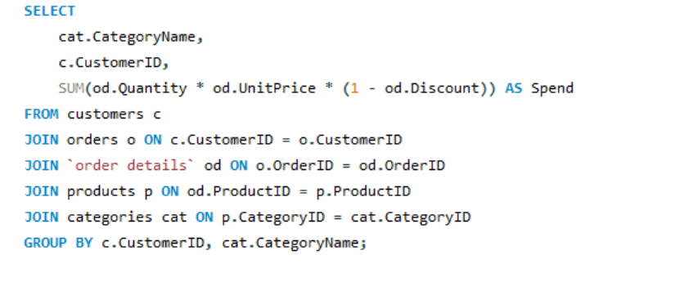

CustomerID | CompanyName | TotalOrders | TotalSpend | CategoryName | CustomerID | Spend
ALFKI | Alfreds Futterkiste | 12 | 4273 | Beverages | QUICK | 36216.429974
ANATR | Ana Trujillo Emparedados y helados | 10 | 1402.95 | Beverages | RATTC | 19208.149999
ANTON | Antonio Moreno TaquerÃ­a | 17 | 7023.98 | Beverages | LONEP | 602
AROUT | Around the Horn | 30 | 13390.65 | Beverages | WANDK | 2146.849998
BERGS | Berglunds snabbkÃ¶p | 52 | 24927.58 | Beverages | PERIC | 744.8
BLAUS | Blauer See Delikatessen | 14 | 3239.8 | Beverages | CHOPS | 685.49999669
BLONP | Blondel pÃ¨re et fils | 26 | 18534.08 | Beverages | QUEEN | 10483.499989
BOLID | BÃ³lido Comidas preparadas | 6 | 4232.85 | Beverages | LAMAI | 1903.1499971
BONAP | Bon app' | 44 | 21963.25 | Beverages | PRINI | 432
BOTTM | Bottom-Dollar Markets | 35 | 20801.6 | Beverages | LEHMS | 1981.5999911
BSBEV | B's Beverages | 22 | 6089.9 | Beverages | WARTH | 1600.3999989
CACTU | Cactus Comidas para llevar | 11 | 1814.8 | Beverages | TORTU | 5430.2
CENTC | Centro comercial Moctezuma | 2 | 100.8 | Beverages | MEREP | 9415.8099665
CHOPS | Chop-suey Chinese | 22 | 12348.88 | Beverages | DUMON | 194
COMMI | ComÃ©rcio Mineiro | 10 | 3810.75 | Beverages | WOLZA | 828.5
CONSH | Consolidated Holdings | 7 | 1719.1 | Beverages | BLONP | 3975.9199998
DRACD | Drachenblut Delikatessen | 10 | 3763.21 | Beverages | HUNGO | 3145.3199958
DUMON | Du monde entier | 9 | 1615.9 | Beverages | BERGS | 8298.6749934
EASTC | Eastern Connection | 21 | 14761.04 | Beverages | SAVEA | 10031.999982
ERNSH | Ernst Handel | 102 | 104874.98 | Beverages | LINOD | 2910.5999979
FAMIA | Familia Arquibaldo | 19 | 4107.55 | Beverages | NORTS | 279
FOLIG | Folies gourmandes | 16 | 11666.9 | Beverages | HILAA | 3136.3499979
FOLKO | Folk och fÃ¤ HB | 45 | 29567.56 | Beverages | SEVES | 1238.3999981
FRANK | Frankenversand | 48 | 26656.56 | Beverages | WELLI | 1760.1499996
FRANR | France restauration | 6 | 3172.16 | Beverages | GODOS | 884
FRANS | Franchi S.p.A. | 10 | 1545.7 | Beverages | BOTTM | 1762.75
FURIB | Furia Bacalhau e Frutos do Mar | 20 | 6427.42 | Beverages | THECR | 114
GALED | GalerÃ­a del gastrÃ³nomo | 8 | 836.7 | Beverages | WILMK | 582
GODOS | Godos Cocina TÃ­pica | 26 | 11446.36 | Beverages | GREAL | 11694.374991
GOURL | Gourmet Lanchonetes | 19 | 8414.13 | Beverages | SUPRD | 4285.6799964
GREAL | Great Lakes Food Market | 22 | 18507.45 | Beverages | EASTC | 1117.5
GROSR | GROSELLA-Restaurante | 4 | 1488.7 | Beverages | RICSU | 1464.2249984
HANAR | Hanari Carnes | 32 | 32841.37 | Beverages | ERNSH | 12709.299984
HILAA | HILARIÃ“N-Abastos | 45 | 22768.76 | Beverages | FOLKO | 3865.3199925
HUNGC | Hungry Coyote Import Store | 9 | 3063.2 | Beverages | FRANK | 2033.4399968
HUNGO | Hungry Owl All-Night Grocers | 55 | 49979.9 | Beverages | CONSH | 152
ISLAT | Island Trading | 23 | 6146.3 | Beverages | WHITC | 8884.6999935
KOENE | KÃ¶niglich Essen | 39 | 30908.38 | Beverages | RICAR | 1174.0249988
LACOR | La corne d'abondance | 11 | 1992.05 | Beverages | AROUT | 1226.9999962
LAMAI | La maison d'Asie | 31 | 9328.2 | Beverages | OTTIK | 1129
LAUGB | Laughing Bacchus Wine Cellars | 8 | 522.5 | Beverages | VICTE | 1989.4999918
LAZYK | Lazy K Kountry Store | 2 | 357 | Beverages | ISLAT | 1417.2
LEHMS | Lehmanns Marktstand | 39 | 19261.41 | Beverages | ANTON | 1758.9999959
LETSS | Let's Stop N Shop | 10 | 3076.47 | Beverages | MAGAA | 809.93999528
LILAS | LILA-Supermercado | 34 | 16076.6 | Beverages | GOURL | 643.74999851
LINOD | LINO-Delicateses | 35 | 16476.56 | Condiments | BSBEV | 240
LONEP | Lonesome Pine Restaurant | 14 | 4258.6 | Condiments | LINOD | 986.04999976
MAGAA | Magazzini Alimentari Riuniti | 21 | 7176.21 | Condiments | QUICK | 9214.9349929
MAISD | Maison Dewey | 17 | 9736.07 | Condiments | VAFFE | 3505.15
MEREP | MÃ¨re Paillarde | 32 | 28872.19 | Condiments | ALFKI | 1338.7999996
MORGK | Morgenstern Gesundkost | 11 | 5042.2 | Condiments | BOTTM | 1898.5749982
NORTS | North/South | 6 | 649 | Condiments | ERNSH | 14070.062483
OCEAN | OcÃ©ano AtlÃ¡ntico Ltda. | 11 | 3460.2 | Condiments | KOENE | 1872
OLDWO | Old World Delicatessen | 24 | 15177.46 | Condiments | BERGS | 1066.3999996
OTTIK | Ottilies KÃ¤seladen | 29 | 12496.2 | Condiments | RATTC | 1503.1999993
PERIC | Pericles Comidas clÃ¡sicas | 14 | 4242.2 | Condiments | HUNGO | 3477.625
PICCO | Piccolo und mehr | 23 | 23128.86 | Condiments | BOLID | 422.4
PRINI | Princesa Isabel Vinhos | 10 | 5044.94 | Condiments | PRINI | 1485.1199995
QUEDE | Que DelÃ­cia | 24 | 6664.81 | Condiments | MEREP | 2809.4999994
QUEEN | Queen Cozinha | 40 | 25717.5 | Condiments | WHITC | 4174.1299964
QUICK | QUICK-Stop | 86 | 110277.3 | Condiments | FURIB | 2203.1724955
RANCH | Rancho grande | 12 | 2844.1 | Condiments | BONAP | 3037.47499
RATTC | Rattlesnake Canyon Grocery | 71 | 51097.8 | Condiments | FOLKO | 3651.4999966
REGGC | Reggiani Caseifici | 22 | 7048.24 | Condiments | TRADH | 501.99999869
RICAR | Ricardo Adocicados | 27 | 12450.8 | Condiments | MAGAA | 1004.2249992
RICSU | Richter Supermarkt | 30 | 19343.78 | Condiments | WARTH | 1120
ROMEY | Romero y tomillo | 14 | 1467.29 | Condiments | QUEEN | 1896.3999943
SANTG | SantÃ© Gourmet | 16 | 5735.15 | Condiments | EASTC | 1880.425
SAVEA | Save-a-lot Markets | 116 | 104361.95 | Condiments | SUPRD | 1675.5999951
SEVES | Seven Seas Imports | 26 | 16215.32 | Condiments | COMMI | 849.75
SIMOB | Simons bistro | 15 | 16817.1 | Condiments | THEBI | 85.4
SPECD | SpÃ©cialitÃ©s du monde | 6 | 2423.35 | Condiments | CONSH | 640.5
SPLIR | Split Rail Beer & Ale | 20 | 11441.63 | Condiments | OCEAN | 622
SUPRD | SuprÃªmes dÃ©lices | 39 | 24088.78 | Condiments | SAVEA | 7872.9999699
THEBI | The Big Cheese | 7 | 3361 | Condiments | GOURL | 2350
THECR | The Cracker Box | 8 | 1947.24 | Condiments | LEHMS | 2413.6249997
TOMSP | Toms SpezialitÃ¤ten | 14 | 4778.14 | Condiments | QUEDE | 2491.0399975
TORTU | Tortuga Restaurante | 29 | 10812.15 | Produce | RATTC | 2211.0525
TRADH | TradiÃ§Ã£o Hipermercados | 13 | 6850.66 | Produce | SPLIR | 509.99999928
TRAIH | Trail's Head Gourmet Provisioners | 9 | 1571.2 | Produce | VICTE | 936.29999971
VAFFE | Vaffeljernet | 31 | 15843.92 | Produce | BSBEV | 967.2
VICTE | Victuailles en stock | 25 | 9182.43 | Produce | BONAP | 3718.7499903
VINET | Vins et alcools Chevalier | 10 | 1480 | Produce | VAFFE | 2762.3999959
WANDK | Die Wandernde Kuh | 26 | 9588.42 | Produce | SAVEA | 3887.8999948
WARTH | Wartian Herkku | 37 | 15648.7 | Produce | FOLIG | 1845
WELLI | Wellington Importadora | 19 | 6068.2 | Produce | QUICK | 8081.3999848
WHITC | White Clover Markets | 40 | 27363.6 | Produce | OTTIK | 2676.5624983
WILMK | Wilman Kala | 17 | 3161.35 | Produce | GOURL | 1560.4999995
WOLZA | Wolski Zajazd | 16 | 3531.95 | Produce | LACOR | 150
 |  |  |  | Produce | REGGC | 1606.7999996
 |  |  |  | Produce | SANTG | 578.4
 |  |  |  | Produce | OCEAN | 403.2
 |  |  |  | Produce | ERNSH | 12469.667491
 |  |  |  | Produce | BOTTM | 1872
 |  |  |  | Produce | EASTC | 3000
 |  |  |  | Produce | FOLKO | 6464
 |  |  |  | Produce | LILAS | 1451.4999997
 |  |  |  | Condiments | WILMK | 753
 |  |  |  | Condiments | ISLAT | 1655
 |  |  |  | Condiments | MAISD | 779.19499454
 |  |  |  | Meat/Poultry | WELLI | 1789.7999977
 |  |  |  | Meat/Poultry | QUICK | 9754.9599845
 |  |  |  | Meat/Poultry | HUNGO | 20914.229999
 |  |  |  | Meat/Poultry | WHITC | 3707.9499973
 |  |  |  | Meat/Poultry | CONSH | 291
 |  |  |  | Seafood | QUICK | 9367.739981
 |  |  |  | Seafood | TORTU | 1082
 |  |  |  | Seafood | LILAS | 1344.5699977
 |  |  |  | Seafood | BOTTM | 2032.0499994
 |  |  |  | Seafood | BLONP | 1461.4599932
 |  |  |  | Seafood | VICTE | 1243.399998
 |  |  |  | Seafood | CHOPS | 715.19999963
 |  |  |  | Seafood | BERGS | 3699.0999991
 |  |  |  | Seafood | GALED | 155
 |  |  |  | Seafood | DUMON | 445.1
 |  |  |  | Seafood | SAVEA | 13604.599988
 |  |  |  | Seafood | HUNGO | 6899.1799892
 |  |  |  | Seafood | FURIB | 632.39999557
 |  |  |  | Seafood | GOURL | 1085.785
 |  |  |  | Seafood | VAFFE | 2787.4249959
 |  |  |  | Seafood | BONAP | 5368.5799984
 |  |  |  | Seafood | MEREP | 2095.999994
 |  |  |  | Seafood | THECR | 370
 |  |  |  | Seafood | GROSR | 310
 |  |  |  | Seafood | SEVES | 2820.5099989
 |  |  |  | Seafood | SUPRD | 887.59999854
 |  |  |  | Seafood | ERNSH | 7250.4749785
 |  |  |  | Seafood | GODOS | 1095.6999991
 |  |  |  | Seafood | HANAR | 4425.7499972
 |  |  |  | Seafood | OTTIK | 1418.6574954
 |  |  |  | Seafood | RATTC | 884.72999955
 |  |  |  | Dairy Products | VINET | 880.6
 |  |  |  | Dairy Products | LILAS | 7360.8299845
 |  |  |  | Dairy Products | FOLKO | 3654.9499975
 |  |  |  | Dairy Products | PICCO | 3610.2799994
 |  |  |  | Dairy Products | ANTON | 2182.6999971
 |  |  |  | Dairy Products | OTTIK | 2315.2499998
 |  |  |  | Dairy Products | ERNSH | 24496.459972
 |  |  |  | Dairy Products | REGGC | 2080.9399968
 |  |  |  | Dairy Products | COMMI | 168
 |  |  |  | Dairy Products | HILAA | 7241.5999974
 |  |  |  | Dairy Products | GREAL | 2611.0749899
 |  |  |  | Dairy Products | KOENE | 7098.2499998
 |  |  |  | Dairy Products | LAZYK | 210
 |  |  |  | Dairy Products | WARTH | 4856.1099835
 |  |  |  | Dairy Products | BLONP | 2871.9999952
 |  |  |  | Dairy Products | MEREP | 4766.6249966
 |  |  |  | Dairy Products | BLAUS | 1008
 |  |  |  | Dairy Products | QUEEN | 3873.6999998
 |  |  |  | Dairy Products | EASTC | 4601
 |  |  |  | Dairy Products | HANAR | 2252.8999997
 |  |  |  | Dairy Products | DRACD | 2270
 |  |  |  | Dairy Products | SEVES | 4539.9999917
 |  |  |  | Dairy Products | TORTU | 1114.4
 |  |  |  | Dairy Products | LEHMS | 5473.9999979
 |  |  |  | Dairy Products | RATTC | 7854.8699971
 |  |  |  | Dairy Products | HUNGO | 9010.1099692
 |  |  |  | Dairy Products | ANATR | 1078.8
 |  |  |  | Dairy Products | BOTTM | 4790.5499988
 |  |  |  | Dairy Products | OCEAN | 914
 |  |  |  | Dairy Products | QUEDE | 487
 |  |  |  | Dairy Products | SPECD | 570
 |  |  |  | Dairy Products | PERIC | 346
 |  |  |  | Dairy Products | SAVEA | 21107.099976
 |  |  |  | Dairy Products | WILMK | 702
 |  |  |  | Dairy Products | LONEP | 815
 |  |  |  | Dairy Products | WANDK | 4011.4999941
 |  |  |  | Dairy Products | GOURL | 1481.5999995
 |  |  |  | Seafood | QUEDE | 180.43999977
 |  |  |  | Seafood | KOENE | 3309.7499927
 |  |  |  | Seafood | AROUT | 899.29999975
 |  |  |  | Seafood | DRACD | 215.25
 |  |  |  | Seafood | HUNGC | 498
 |  |  |  | Seafood | WELLI | 863.93999888
 |  |  |  | Seafood | CONSH | 4.8
 |  |  |  | Seafood | WARTH | 1026.4999976
 |  |  |  | Seafood | BSBEV | 465
 |  |  |  | Seafood | HILAA | 3274.0699986
 |  |  |  | Seafood | VINET | 253.8
 |  |  |  | Seafood | LAUGB | 196
 |  |  |  | Seafood | ISLAT | 214
 |  |  |  | Seafood | LAMAI | 752.20999916
 |  |  |  | Seafood | OCEAN | 30
 |  |  |  | Seafood | ANATR | 60
 |  |  |  | Seafood | RICSU | 2356.9049963
 |  |  |  | Seafood | MORGK | 120
 |  |  |  | Seafood | RICAR | 2759.8999991
 |  |  |  | Produce | TOMSP | 1863.4
 |  |  |  | Produce | KOENE | 167.4
 |  |  |  | Produce | WARTH | 969.61249875
 |  |  |  | Produce | HUNGC | 279
 |  |  |  | Produce | PICCO | 651
 |  |  |  | Produce | PERIC | 1938.4
 |  |  |  | Produce | HUNGO | 3414.6599939
 |  |  |  | Produce | FRANK | 1185.75
 |  |  |  | Produce | ANATR | 69.75
 |  |  |  | Produce | GREAL | 62.774999896
 |  |  |  | Produce | BERGS | 2515.199998
 |  |  |  | Produce | QUEDE | 355.31999883
 |  |  |  | Condiments | LILAS | 618.49999971
 |  |  |  | Condiments | LAMAI | 774.85999836
 |  |  |  | Condiments | LETSS | 931.36999892
 |  |  |  | Confections | RICSU | 1740.883999
 |  |  |  | Confections | ERNSH | 12815.757464
 |  |  |  | Confections | RICAR | 1963.7249959
 |  |  |  | Confections | LILAS | 2745.0499926
 |  |  |  | Confections | THEBI | 336
 |  |  |  | Confections | SAVEA | 11900.069989
 |  |  |  | Confections | SEVES | 2150.9799971
 |  |  |  | Confections | MEREP | 2915.6049984
 |  |  |  | Confections | LAMAI | 2085.8999985
 |  |  |  | Confections | WHITC | 3714.1249971
 |  |  |  | Confections | PICCO | 718.65
 |  |  |  | Confections | QUICK | 18530.089998
 |  |  |  | Confections | FURIB | 762.14999573
 |  |  |  | Confections | WARTH | 462.29999988
 |  |  |  | Confections | OTTIK | 2757.2749989
 |  |  |  | Confections | BERGS | 4190.6974994
 |  |  |  | Confections | FRANK | 3313.5749981
 |  |  |  | Confections | FRANR | 667.5
 |  |  |  | Confections | WILMK | 562.75
 |  |  |  | Confections | OLDWO | 3765.8749998
 |  |  |  | Confections | KOENE | 4751.4639776
 |  |  |  | Confections | BONAP | 2382.6724978
 |  |  |  | Confections | SPECD | 52.35
 |  |  |  | Confections | MORGK | 1921.8
 |  |  |  | Confections | SANTG | 280.15
 |  |  |  | Confections | RANCH | 749.1
 |  |  |  | Confections | LINOD | 3573.6099968
 |  |  |  | Confections | HUNGO | 1676.3799991
 |  |  |  | Confections | LEHMS | 2386.9924917
 |  |  |  | Confections | SIMOB | 926.95999892
 |  |  |  | Confections | RATTC | 10947.212996
 |  |  |  | Meat/Poultry | BLONP | 4976.5999997
 |  |  |  | Meat/Poultry | LEHMS | 2638.8199998
 |  |  |  | Meat/Poultry | RATTC | 3657.2799974
 |  |  |  | Meat/Poultry | SUPRD | 1802.4999982
 |  |  |  | Meat/Poultry | TORTU | 714.1
 |  |  |  | Meat/Poultry | OLDWO | 2851.4999963
 |  |  |  | Meat/Poultry | MEREP | 2074.7999984
 |  |  |  | Meat/Poultry | HUNGC | 151.2
 |  |  |  | Meat/Poultry | ERNSH | 8325.5559852
 |  |  |  | Meat/Poultry | BOTTM | 1692
 |  |  |  | Meat/Poultry | BERGS | 2258.5049999
 |  |  |  | Meat/Poultry | SEVES | 1972.4349985
 |  |  |  | Meat/Poultry | PICCO | 2495.9999965
 |  |  |  | Meat/Poultry | GODOS | 3548.5999994
 |  |  |  | Meat/Poultry | ANTON | 1522
 |  |  |  | Meat/Poultry | SAVEA | 27659.179975
 |  |  |  | Meat/Poultry | REGGC | 1056.4999984
 |  |  |  | Meat/Poultry | BOLID | 3026.85
 |  |  |  | Meat/Poultry | BONAP | 822.89999954
 |  |  |  | Meat/Poultry | DUMON | 585
 |  |  |  | Meat/Poultry | HANAR | 585
 |  |  |  | Meat/Poultry | LACOR | 234
 |  |  |  | Meat/Poultry | RICAR | 468
 |  |  |  | Seafood | OLDWO | 1832.9999981
 |  |  |  | Seafood | FOLIG | 5208
 |  |  |  | Seafood | SANTG | 936.6
 |  |  |  | Seafood | LETSS | 620.7525
 |  |  |  | Seafood | SPLIR | 1511.3199948
 |  |  |  | Seafood | LINOD | 3820.6799996
 |  |  |  | Seafood | BLAUS | 625
 |  |  |  | Seafood | WHITC | 2824.9999975
 |  |  |  | Seafood | SPECD | 375
 |  |  |  | Seafood | LONEP | 625
 |  |  |  | Seafood | FRANS | 556.4
 |  |  |  | Seafood | PICCO | 2087.7499935
 |  |  |  | Confections | ROMEY | 32.3
 |  |  |  | Confections | SPLIR | 442.34999948
 |  |  |  | Confections | FAMIA | 285.27999956
 |  |  |  | Confections | QUEDE | 1395.1999998
 |  |  |  | Confections | TOMSP | 1076.8399995
 |  |  |  | Confections | SUPRD | 4820.1999981
 |  |  |  | Confections | QUEEN | 3655.2374981
 |  |  |  | Confections | GODOS | 1588.949999
 |  |  |  | Confections | ISLAT | 144.6
 |  |  |  | Confections | WANDK | 402.79999881
 |  |  |  | Confections | TORTU | 794.4
 |  |  |  | Confections | GREAL | 1544.3999986
 |  |  |  | Confections | FRANS | 143.3
 |  |  |  | Confections | WELLI | 551.75999968
 |  |  |  | Confections | ANATR | 64.4
 |  |  |  | Confections | HANAR | 1212
 |  |  |  | Confections | TRADH | 1990.3999985
 |  |  |  | Confections | HUNGC | 2095
 |  |  |  | Confections | LACOR | 1000.15
 |  |  |  | Confections | AROUT | 4807.6999968
 |  |  |  | Confections | OCEAN | 1311
 |  |  |  | Confections | CENTC | 80
 |  |  |  | Confections | PRINI | 193.99999952
 |  |  |  | Confections | BSBEV | 875
 |  |  |  | Confections | DUMON | 60
 |  |  |  | Confections | BLAUS | 363
 |  |  |  | Confections | CHOPS | 1326.5599962
 |  |  |  | Confections | FOLIG | 2232
 |  |  |  | Confections | LETSS | 379.9999997
 |  |  |  | Confections | MAISD | 2659.3799976
 |  |  |  | Grains/Cereals | VICTE | 362.85999975
 |  |  |  | Grains/Cereals | CONSH | 352.8
 |  |  |  | Grains/Cereals | WARTH | 2392.9999909
 |  |  |  | Grains/Cereals | SAVEA | 8298.0999935
 |  |  |  | Grains/Cereals | MEREP | 4553.8499971
 |  |  |  | Grains/Cereals | MAGAA | 1265.5999997
 |  |  |  | Grains/Cereals | RICAR | 990.24999985
 |  |  |  | Grains/Cereals | WANDK | 1551.8749993
 |  |  |  | Grains/Cereals | FOLIG | 126
 |  |  |  | Grains/Cereals | AROUT | 2128
 |  |  |  | Grains/Cereals | ERNSH | 12737.699996
 |  |  |  | Grains/Cereals | PICCO | 1789.9999975
 |  |  |  | Grains/Cereals | BSBEV | 1405.4
 |  |  |  | Grains/Cereals | FOLKO | 3020.9999992
 |  |  |  | Grains/Cereals | FRANK | 1612.125
 |  |  |  | Grains/Cereals | BONAP | 2444.5499997
 |  |  |  | Grains/Cereals | LAUGB | 107
 |  |  |  | Grains/Cereals | LILAS | 932.99999624
 |  |  |  | Grains/Cereals | OTTIK | 950.99999987
 |  |  |  | Grains/Cereals | ISLAT | 705
 |  |  |  | Grains/Cereals | LINOD | 708
 |  |  |  | Grains/Cereals | QUICK | 5310.8999926
 |  |  |  | Grains/Cereals | SEVES | 539.59999967
 |  |  |  | Grains/Cereals | WELLI | 194
 |  |  |  | Grains/Cereals | ROMEY | 177.2
 |  |  |  | Grains/Cereals | RATTC | 4831.305
 |  |  |  | Beverages | ROMEY | 79.2
 |  |  |  | Beverages | FURIB | 614.39999759
 |  |  |  | Beverages | FAMIA | 1157.8699941
 |  |  |  | Beverages | SANTG | 2756
 |  |  |  | Beverages | TOMSP | 348.99999923
 |  |  |  | Beverages | VAFFE | 1485.7
 |  |  |  | Beverages | HANAR | 20084.149994
 |  |  |  | Beverages | PICCO | 10607.999968
 |  |  |  | Beverages | LAUGB | 97.5
 |  |  |  | Beverages | FOLIG | 375.5
 |  |  |  | Beverages | KOENE | 9455.0999992
 |  |  |  | Beverages | REGGC | 188.99999946
 |  |  |  | Confections | MAGAA | 1500.0499991
 |  |  |  | Confections | BOTTM | 5856.8749995
 |  |  |  | Confections | LAUGB | 70
 |  |  |  | Confections | VICTE | 2396.6999977
 |  |  |  | Confections | GALED | 117.5
 |  |  |  | Confections | HILAA | 1912.163998
 |  |  |  | Confections | ANTON | 958.92749328
 |  |  |  | Confections | DRACD | 374.76
 |  |  |  | Confections | EASTC | 854.76
 |  |  |  | Produce | MORGK | 728
 |  |  |  | Produce | SUPRD | 2311.2
 |  |  |  | Produce | WANDK | 145.6
 |  |  |  | Produce | TORTU | 509.6
 |  |  |  | Produce | BLONP | 1092
 |  |  |  | Produce | SEVES | 2953.3999949
 |  |  |  | Produce | QUEEN | 1685.9999955
 |  |  |  | Produce | LAMAI | 346.55999973
 |  |  |  | Produce | BLAUS | 560.8
 |  |  |  | Produce | LONEP | 1379.2
 |  |  |  | Produce | THECR | 456
 |  |  |  | Produce | ALFKI | 604.2
 |  |  |  | Produce | MAISD | 912
 |  |  |  | Produce | WHITC | 182.39999932
 |  |  |  | Produce | WILMK | 136.8
 |  |  |  | Produce | CACTU | 364.8
 |  |  |  | Produce | HILAA | 3160
 |  |  |  | Produce | LINOD | 912
 |  |  |  | Meat/Poultry | GROSR | 990
 |  |  |  | Meat/Poultry | COMMI | 1485
 |  |  |  | Meat/Poultry | PERIC | 592.8
 |  |  |  | Meat/Poultry | SPLIR | 2357.6
 |  |  |  | Meat/Poultry | EASTC | 2919
 |  |  |  | Meat/Poultry | VAFFE | 2082.4999973
 |  |  |  | Meat/Poultry | WARTH | 3220.7799999
 |  |  |  | Meat/Poultry | THECR | 742.74
 |  |  |  | Meat/Poultry | RICSU | 6522.8399966
 |  |  |  | Meat/Poultry | LAMAI | 2496.0099982
 |  |  |  | Meat/Poultry | FRANK | 2896.1194964
 |  |  |  | Meat/Poultry | TRADH | 1324.8039978
 |  |  |  | Meat/Poultry | KOENE | 4254.4199997
 |  |  |  | Meat/Poultry | FRANR | 1733.06
 |  |  |  | Meat/Poultry | FOLKO | 5398.1249957
 |  |  |  | Meat/Poultry | GREAL | 185.685
 |  |  |  | Meat/Poultry | PRINI | 1237.9
 |  |  |  | Seafood | ROMEY | 547.09
 |  |  |  | Seafood | FOLKO | 2533.7374955
 |  |  |  | Seafood | LEHMS | 1557.2724962
 |  |  |  | Seafood | EASTC | 388.35
 |  |  |  | Seafood | FRANK | 4868.4499973
 |  |  |  | Seafood | FAMIA | 1043.0999994
 |  |  |  | Seafood | QUEEN | 1522.5599984
 |  |  |  | Seafood | SIMOB | 1069.8375
 |  |  |  | Seafood | TRADH | 849.65999902
 |  |  |  | Dairy Products | QUICK | 13800.849975
 |  |  |  | Dairy Products | FRANK | 10552.099976
 |  |  |  | Dairy Products | WOLZA | 810
 |  |  |  | Dairy Products | TOMSP | 26.999999955
 |  |  |  | Dairy Products | SUPRD | 5687.9999979
 |  |  |  | Dairy Products | TRADH | 1679.7999991
 |  |  |  | Dairy Products | RICSU | 5725.4249964
 |  |  |  | Dairy Products | OLDWO | 802.5
 |  |  |  | Dairy Products | BONAP | 1912.425
 |  |  |  | Dairy Products | AROUT | 2174.2499995
 |  |  |  | Dairy Products | CACTU | 37.5
 |  |  |  | Dairy Products | MORGK | 1829
 |  |  |  | Dairy Products | LINOD | 3047.2249933
 |  |  |  | Dairy Products | BERGS | 2723.9999995
 |  |  |  | Dairy Products | MAGAA | 1778.1999936
 |  |  |  | Dairy Products | RANCH | 192
 |  |  |  | Dairy Products | WHITC | 3297.6999931
 |  |  |  | Dairy Products | SPLIR | 1059.1999962
 |  |  |  | Dairy Products | SIMOB | 1187.7999976
 |  |  |  | Dairy Products | FAMIA | 446.79999757
 |  |  |  | Dairy Products | HUNGC | 40
 |  |  |  | Dairy Products | LAMAI | 757.75999868
 |  |  |  | Dairy Products | ISLAT | 1944.9
 |  |  |  | Dairy Products | BSBEV | 292.3
 |  |  |  | Dairy Products | TRAIH | 35
 |  |  |  | Dairy Products | VICTE | 1120.4999999
 |  |  |  | Dairy Products | LACOR | 17.5
 |  |  |  | Beverages | THEBI | 2775
 |  |  |  | Beverages | CACTU | 1091
 |  |  |  | Beverages | QUEDE | 1386
 |  |  |  | Beverages | BSBEV | 1845
 |  |  |  | Beverages | SPLIR | 4365.1999969
 |  |  |  | Seafood | THEBI | 95
 |  |  |  | Seafood | MAGAA | 818.2
 |  |  |  | Seafood | GREAL | 455.9999983
 |  |  |  | Seafood | CENTC | 20.8
 |  |  |  | Beverages | SIMOB | 10540
 |  |  |  | Beverages | RANCH | 527
 |  |  |  | Beverages | SPECD | 1426
 |  |  |  | Beverages | OLDWO | 2257.799994
 |  |  |  | Beverages | TRAIH | 425
 |  |  |  | Beverages | BLAUS | 342
 |  |  |  | Beverages | ALFKI | 553.5
 |  |  |  | Beverages | BONAP | 2275.8999987
 |  |  |  | Beverages | TRADH | 504
 |  |  |  | Beverages | LILAS | 647.39999914
 |  |  |  | Seafood | WANDK | 147
 |  |  |  | Seafood | RANCH | 330
 |  |  |  | Seafood | PERIC | 508.2
 |  |  |  | Seafood | LAZYK | 147
 |  |  |  | Seafood | ANTON | 165.59999973
 |  |  |  | Seafood | TRAIH | 36.8
 |  |  |  | Seafood | WILMK | 220.8
 |  |  |  | Seafood | MAISD | 326.5
 |  |  |  | Seafood | CACTU | 246.5
 |  |  |  | Seafood | TOMSP | 135.1
 |  |  |  | Seafood | REGGC | 346.39999942
 |  |  |  | Seafood | LACOR | 57.9
 |  |  |  | Grains/Cereals | VINET | 345.6
 |  |  |  | Grains/Cereals | HUNGO | 1442.4
 |  |  |  | Grains/Cereals | DUMON | 130.2
 |  |  |  | Grains/Cereals | SUPRD | 2618
 |  |  |  | Grains/Cereals | BOTTM | 896.79999983
 |  |  |  | Grains/Cereals | HILAA | 2006.9999965
 |  |  |  | Grains/Cereals | ANATR | 70
 |  |  |  | Grains/Cereals | GOURL | 1149.9999946
 |  |  |  | Grains/Cereals | WILMK | 84
 |  |  |  | Grains/Cereals | OLDWO | 2145.9999955
 |  |  |  | Grains/Cereals | CHOPS | 3857.5999973
 |  |  |  | Grains/Cereals | ANTON | 367.74999985
 |  |  |  | Grains/Cereals | LAMAI | 211.74999958
 |  |  |  | Grains/Cereals | PRINI | 1047.2
 |  |  |  | Beverages | MAISD | 1143
 |  |  |  | Condiments | TORTU | 1167.45
 |  |  |  | Condiments | THECR | 194.5
 |  |  |  | Condiments | GREAL | 490.13999919
 |  |  |  | Condiments | HILAA | 350.5
 |  |  |  | Condiments | OLDWO | 672.78749812
 |  |  |  | Seafood | COMMI | 156
 |  |  |  | Seafood | ALFKI | 521.49999961
 |  |  |  | Confections | GOURL | 142.5
 |  |  |  | Confections | FOLKO | 978.92999824
 |  |  |  | Confections | COMMI | 240
 |  |  |  | Confections | BLONP | 1939
 |  |  |  | Confections | REGGC | 1030.6999992
 |  |  |  | Confections | VAFFE | 1664.5
 |  |  |  | Produce | HANAR | 1261.3999912
 |  |  |  | Produce | PRINI | 648.71999545
 |  |  |  | Produce | RICSU | 318
 |  |  |  | Produce | AROUT | 1060
 |  |  |  | Produce | RANCH | 371
 |  |  |  | Produce | CHOPS | 1814.4999979
 |  |  |  | Produce | SIMOB | 1192.5
 |  |  |  | Produce | FRANR | 159
 |  |  |  | Produce | WOLZA | 306
 |  |  |  | Produce | GODOS | 2120
 |  |  |  | Produce | OLDWO | 848
 |  |  |  | Produce | FRANS | 580
 |  |  |  | Grains/Cereals | PERIC | 112
 |  |  |  | Grains/Cereals | TOMSP | 1326.7999992
 |  |  |  | Grains/Cereals | BLONP | 2217.099997
 |  |  |  | Grains/Cereals | NORTS | 42
 |  |  |  | Grains/Cereals | REGGC | 477.89999948
 |  |  |  | Grains/Cereals | FAMIA | 28
 |  |  |  | Grains/Cereals | BERGS | 175
 |  |  |  | Grains/Cereals | RICSU | 1005
 |  |  |  | Grains/Cereals | VAFFE | 99.749999922
 |  |  |  | Grains/Cereals | LEHMS | 2809.1
 |  |  |  | Grains/Cereals | HANAR | 641.3999995
 |  |  |  | Grains/Cereals | LACOR | 35
 |  |  |  | Grains/Cereals | QUEEN | 2205.8999983
 |  |  |  | Grains/Cereals | BOLID | 473.59999917
 |  |  |  | Grains/Cereals | THECR | 70
 |  |  |  | Meat/Poultry | ROMEY | 291.5
 |  |  |  | Meat/Poultry | WANDK | 840.79999986
 |  |  |  | Meat/Poultry | HILAA | 1687.0799972
 |  |  |  | Meat/Poultry | QUEDE | 369.80999752
 |  |  |  | Meat/Poultry | SANTG | 164
 |  |  |  | Meat/Poultry | AROUT | 1094.4
 |  |  |  | Meat/Poultry | FAMIA | 1146.4999994
 |  |  |  | Meat/Poultry | DRACD | 656
 |  |  |  | Meat/Poultry | OTTIK | 265.67999956
 |  |  |  | Meat/Poultry | LONEP | 98.4
 |  |  |  | Meat/Poultry | ISLAT | 65.6
 |  |  |  | Meat/Poultry | FURIB | 100.2999993
 |  |  |  | Meat/Poultry | FOLIG | 35.4
 |  |  |  | Meat/Poultry | VICTE | 28.319999894
 |  |  |  | Meat/Poultry | QUEEN | 394.2
 |  |  |  | Meat/Poultry | BLAUS | 149
 |  |  |  | Meat/Poultry | LETSS | 223.5
 |  |  |  | Meat/Poultry | WOLZA | 22.35
 |  |  |  | Meat/Poultry | LILAS | 975.75
 |  |  |  | Meat/Poultry | CHOPS | 342.7199976
 |  |  |  | Meat/Poultry | LINOD | 518.39999914
 |  |  |  | Meat/Poultry | MAISD | 336
 |  |  |  | Meat/Poultry | WILMK | 120
 |  |  |  | Meat/Poultry | SIMOB | 1080
 |  |  |  | Grains/Cereals | SPLIR | 756.95999973
 |  |  |  | Grains/Cereals | GALED | 338.2
 |  |  |  | Grains/Cereals | FURIB | 1117.1999946
 |  |  |  | Grains/Cereals | COMMI | 912
 |  |  |  | Grains/Cereals | WHITC | 577.59999785
 |  |  |  | Grains/Cereals | GREAL | 1463
 |  |  |  | Grains/Cereals | LETSS | 758.09999941
 |  |  |  | Grains/Cereals | MAISD | 608
 |  |  |  | Grains/Cereals | LONEP | 190
 |  |  |  | Grains/Cereals | BLAUS | 78
 |  |  |  | Grains/Cereals | RANCH | 390
 |  |  |  | Seafood | WOLZA | 159
 |  |  |  | Dairy Products | FURIB | 997.79999959
 |  |  |  | Dairy Products | SANTG | 786
 |  |  |  | Dairy Products | FOLIG | 528
 |  |  |  | Dairy Products | NORTS | 328
 |  |  |  | Dairy Products | WELLI | 783.74999939
 |  |  |  | Dairy Products | ALFKI | 1255
 |  |  |  | Dairy Products | RICAR | 4506.8999983
 |  |  |  | Dairy Products | MAISD | 2971.9999984
 |  |  |  | Dairy Products | VAFFE | 1456.4999993
 |  |  |  | Dairy Products | CHOPS | 1762.9999997
 |  |  |  | Dairy Products | ROMEY | 340
 |  |  |  | Dairy Products | GODOS | 306
 |  |  |  | Dairy Products | FRANS | 136
 |  |  |  | Condiments | WANDK | 341.99999873
 |  |  |  | Condiments | PICCO | 1167.1799992
 |  |  |  | Condiments | GODOS | 1130.0474985
 |  |  |  | Condiments | SIMOB | 819.9999983
 |  |  |  | Condiments | RANCH | 285
 |  |  |  | Condiments | VICTE | 1104.8499949
 |  |  |  | Condiments | WOLZA | 627
 |  |  |  | Condiments | HANAR | 2378.7699965
 |  |  |  | Condiments | BLAUS | 114
 |  |  |  | Confections | LONEP | 549
 |  |  |  | Confections | TRAIH | 640.9
 |  |  |  | Confections | WOLZA | 779.1
 |  |  |  | Condiments | MORGK | 263.4
 |  |  |  | Condiments | FOLIG | 1317
 |  |  |  | Condiments | SPLIR | 439
 |  |  |  | Condiments | CHOPS | 1843.8
 |  |  |  | Grains/Cereals | TRAIH | 199.5
 |  |  |  | Grains/Cereals | GODOS | 773.06249963
 |  |  |  | Condiments | GALED | 136
 |  |  |  | Condiments | RICAR | 588
 |  |  |  | Condiments | OTTIK | 982.77499923
 |  |  |  | Condiments | RICSU | 210.5
 |  |  |  | Condiments | FRANR | 252.6
 |  |  |  | Condiments | ANTON | 68
 |  |  |  | Confections | CACTU | 75
 |  |  |  | Dairy Products | DUMON | 201.6
 |  |  |  | Beverages | ANATR | 60
 |  |  |  | Beverages | LACOR | 497.5
 |  |  |  | Dairy Products | GROSR | 111.2
 |  |  |  | Dairy Products | CONSH | 278
 |  |  |  | Dairy Products | THEBI | 69.6
 |  |  |  | Produce | MEREP | 240
 |  |  |  | Beverages | BOLID | 310
 |  |  |  | Beverages | DRACD | 247.2
 |  |  |  | Beverages | LETSS | 162.75
 |  |  |  | Beverages | GROSR | 77.5
 |  |  |  | Beverages | MORGK | 180
 |  |  |  | Beverages | FRANR | 360
 |  |  |  | Beverages | GALED | 90
 |  |  |  | Beverages | OCEAN | 180
 |  |  |  | Condiments | WELLI | 124.8
 |  |  |  | Condiments | LAUGB | 52
 |  |  |  | Condiments | TRAIH | 234
 |  |  |  | Condiments | REGGC | 260
 |  |  |  | Condiments | FRANK | 195
 |  |  |  | Condiments | SANTG | 234
 |  |  |  | Condiments | FRANS | 130

4
4. Which product categories or products contribute most to order revenue? 5 .Are there any correlations between orders and customer location or product category?

CategoryName | Spend
Beverages | 267868.18
Dairy Products | 234507.28
Confections | 167357.22
Meat/Poultry | 163022.36
Seafood | 131261.74
Condiments | 106047.08
Produce | 99984.58
Grains/Cereals | 95744.59

Product Name | Revenue
Côte de Blaye | 141396.73
Thüringer Rostbratwurst | 80368.67
Raclette Courdavault | 71155.7
Tarte au sucre | 47234.97
Camembert Pierrot | 46825.48
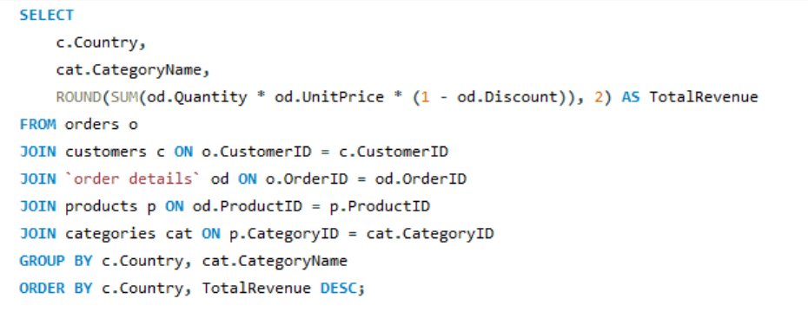
Gnocchi di nonna Alice | 42593.06
Manjimup Dried Apples | 41819.65
Alice Mutton | 32698.38
Carnarvon Tigers | 29171.87
Rössle Sauerkraut | 25696.64

Country | Category Name | Revenue
Argentina | Confections | 2135.1
Argentina | Beverages | 1798
Argentina | Dairy Products | 1143.5
Argentina | Produce | 1139
Argentina | Condiments | 907
Argentina | Seafood | 606.5
Argentina | Grains/Cereals | 390
Austria | Dairy Products | 28106.74
Austria | Beverages | 23317.3 | Germany, USA, and Brazil contribute the most to Beverages and Dairy Products. USA dominates across almost all categories. Austria, France, Germany have consistently high category values — indicating broad and balanced consumption. Some countries (e.g., Norway, Poland) show very low values — niche customers or smaller markets.
Austria | Condiments | 15237.24
Austria | Grains/Cereals | 14527.7
Austria | Confections | 13534.41
Austria | Produce | 13120.67
Austria | Meat/Poultry | 10821.56
Austria | Seafood | 9338.22
Belgium | Dairy Products | 8660
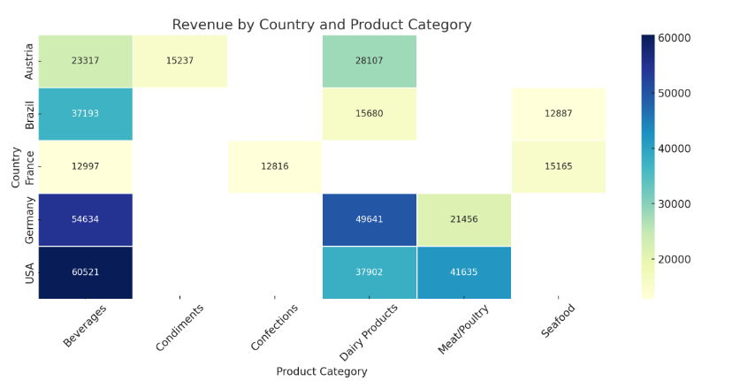
Belgium | Confections | 7479.58
Belgium | Beverages | 5428.68
Belgium | Grains/Cereals | 3226
Belgium | Produce | 3223.2
Belgium | Condiments | 2454.79
Belgium | Meat/Poultry | 2138.5
Belgium | Seafood | 1214.1
Brazil | Beverages | 37193.44
Brazil | Dairy Products | 15680.45
Brazil | Seafood | 12887.13
Brazil | Confections | 11436.1
Brazil | Condiments | 11180.76
Brazil | Meat/Poultry | 7563.11
Brazil | Grains/Cereals | 6121.55
Brazil | Produce | 4863.22
Canada | Beverages | 11276.06
Canada | Dairy Products | 9557.17
Canada | Confections | 8842.48
Canada | Grains/Cereals | 5557.65
Canada | Condiments | 4760.07
Canada | Seafood | 4324.05
Canada | Meat/Poultry | 3766.8
Canada | Produce | 2112
Denmark | Beverages | 12025.7
Denmark | Condiments | 4325.15
Denmark | Produce | 3954.9
Denmark | Seafood | 3857.26
Denmark | Meat/Poultry | 3162.5
Denmark | Dairy Products | 2644.3
Denmark | Confections | 2591.46
Denmark | Grains/Cereals | 99.75
Finland | Dairy Products | 5558.11
Finland | Meat/Poultry | 3340.78
Finland | Grains/Cereals | 2477
Finland | Beverages | 2182.4
Finland | Condiments | 1873
Finland | Seafood | 1247.3
Finland | Produce | 1106.41
Finland | Confections | 1025.05
France | Seafood | 15165.45
France | Beverages | 12997.47
France | Confections | 12816.27
France | Meat/Poultry | 10911.29
France | Dairy Products | 8860.38
France | Produce | 8247.61
France | Condiments | 6486.78
France | Grains/Cereals | 5873.06
Germany | Beverages | 54634.12
Germany | Dairy Products | 49640.95
Germany | Confections | 35878.6
Germany | Seafood | 22285.72
Germany | Meat/Poultry | 21455.8
Germany | Condiments | 16736.53
Germany | Produce | 16013.11
Germany | Grains/Cereals | 13639.8
Ireland | Meat/Poultry | 20914.23
Ireland | Dairy Products | 9010.11
Ireland | Seafood | 6899.18
Ireland | Condiments | 3477.62
Ireland | Produce | 3414.66
Ireland | Beverages | 3145.32
Ireland | Confections | 1676.38
Ireland | Grains/Cereals | 1442.4
Italy | Dairy Products | 3995.14
Italy | Confections | 2674.05
Italy | Produce | 2186.8
Italy | Grains/Cereals | 1743.5
Italy | Seafood | 1721
Italy | Condiments | 1394.22
Italy | Meat/Poultry | 1056.5
Italy | Beverages | 998.94
Mexico | Beverages | 7994
Mexico | Dairy Products | 4721.9
Mexico | Meat/Poultry | 2828.9
Mexico | Produce | 2517.75
Mexico | Confections | 1897.73
Mexico | Seafood | 1836.6
Mexico | Condiments | 1235.45
Mexico | Grains/Cereals | 549.75
Norway | Beverages | 2756
Norway | Seafood | 936.6
Norway | Dairy Products | 786
Norway | Produce | 578.4
Norway | Confections | 280.15
Norway | Condiments | 234
Norway | Meat/Poultry | 164
Poland | Beverages | 828.5
Poland | Dairy Products | 810
Poland | Confections | 779.1
Poland | Condiments | 627
Poland | Produce | 306
Poland | Seafood | 159
Poland | Meat/Poultry | 22.35
Portugal | Condiments | 3688.29
Portugal | Grains/Cereals | 2164.4
Portugal | Meat/Poultry | 1338.2
Portugal | Beverages | 1046.4
Portugal | Dairy Products | 997.8
Portugal | Confections | 956.15
Portugal | Produce | 648.72
Portugal | Seafood | 632.4
Spain | Meat/Poultry | 6866.95
Spain | Produce | 2120
Spain | Seafood | 1797.79
Spain | Grains/Cereals | 1762.06
Spain | Confections | 1738.75
Spain | Condiments | 1688.45
Spain | Beverages | 1363.2
Spain | Dairy Products | 646
Sweden | Beverages | 12163.99
Sweden | Produce | 8979.2
Sweden | Meat/Poultry | 7656.63
Sweden | Dairy Products | 6378.95
Sweden | Seafood | 6232.84
Sweden | Confections | 5169.63
Sweden | Condiments | 4717.9
Sweden | Grains/Cereals | 3196
Switzerland | Dairy Products | 7488.42
Switzerland | Meat/Poultry | 6865.56
Switzerland | Grains/Cereals | 4862.6
Switzerland | Seafood | 3072.1
Switzerland | Confections | 3067.44
Switzerland | Beverages | 2149.72
Switzerland | Produce | 2132.5
Switzerland | Condiments | 2054.3
UK | Dairy Products | 14158.45
UK | Confections | 8833.04
UK | Produce | 7980.6
UK | Beverages | 7276.1
UK | Meat/Poultry | 6342.43
UK | Grains/Cereals | 5172.8
UK | Seafood | 4791.96
UK | Condiments | 4415.92
USA | Beverages | 60520.97
USA | Meat/Poultry | 41635.03
USA | Dairy Products | 37902.04
USA | Confections | 36314.93
USA | Seafood | 23507.2
USA | Grains/Cereals | 19290.56
USA | Condiments | 16597.53
USA | Produce | 9816.33
Venezuela | Dairy Products | 17760.85
Venezuela | Seafood | 8749.32
Venezuela | Confections | 8230.82
Venezuela | Beverages | 6771.85
Venezuela | Produce | 5523.5
Venezuela | Meat/Poultry | 4171.23
Venezuela | Grains/Cereals | 3648
Venezuela | Condiments | 1955.05

5
5. How frequently do different customer segments place orders?

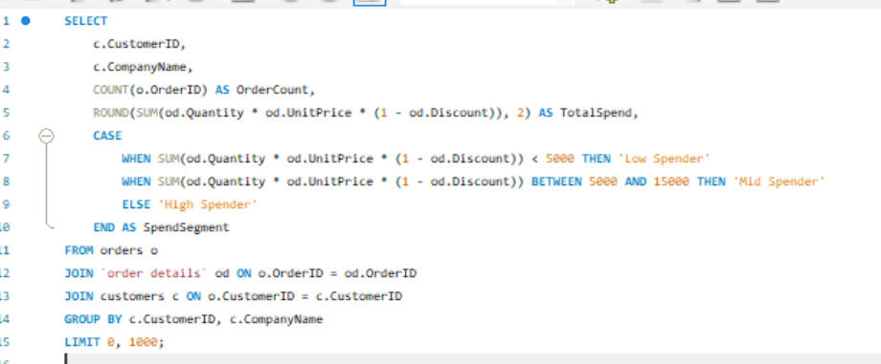
ALFKI | Alfreds Futterkiste | 12 | 4273 | Low Spender
ANATR | Ana Trujillo Emparedados y helados | 10 | 1402.95 | Low Spender
ANTON | Antonio Moreno Taquería | 17 | 7023.98 | Mid Spender
AROUT | Around the Horn | 30 | 13390.65 | Mid Spender
BERGS | Berglunds snabbköp | 52 | 24927.58 | High Spender
BLAUS | Blauer See Delikatessen | 14 | 3239.8 | Low Spender
BLONP | Blondel père et fils | 26 | 18534.08 | High Spender
BOLID | Bólido Comidas preparadas | 6 | 4232.85 | Low Spender
BONAP | Bon app' | 44 | 21963.25 | High Spender
BOTTM | Bottom-Dollar Markets | 35 | 20801.6 | High Spender
BSBEV | B's Beverages | 22 | 6089.9 | Mid Spender
CACTU | Cactus Comidas para llevar | 11 | 1814.8 | Low Spender | Spend Segent | Customer count | Avg Order Per customer
CENTC | Centro comercial Moctezuma | 2 | 100.8 | Low Spender | Low Spender | 34 | 9.88
CHOPS | Chop-suey Chinese | 22 | 12348.88 | Mid Spender | High Spender | 29 | 43.55
COMMI | Comércio Mineiro | 10 | 3810.75 | Low Spender | Mid Spender | 26 | 21.38
CONSH | Consolidated Holdings | 7 | 1719.1 | Low Spender
DRACD | Drachenblut Delikatessen | 10 | 3763.21 | Low Spender
DUMON | Du monde entier | 9 | 1615.9 | Low Spender
EASTC | Eastern Connection | 21 | 14761.04 | Mid Spender
ERNSH | Ernst Handel | 102 | 104874.98 | High Spender
FAMIA | Familia Arquibaldo | 19 | 4107.55 | Low Spender
FOLIG | Folies gourmandes | 16 | 11666.9 | Mid Spender
FOLKO | Folk och fä HB | 45 | 29567.56 | High Spender
FRANK | Frankenversand | 48 | 26656.56 | High Spender
FRANR | France restauration | 6 | 3172.16 | Low Spender
FRANS | Franchi S.p.A. | 10 | 1545.7 | Low Spender
FURIB | Furia Bacalhau e Frutos do Mar | 20 | 6427.42 | Mid Spender
GALED | Galería del gastrónomo | 8 | 836.7 | Low Spender
GODOS | Godos Cocina Típica | 26 | 11446.36 | Mid Spender
GOURL | Gourmet Lanchonetes | 19 | 8414.13 | Mid Spender
GREAL | Great Lakes Food Market | 22 | 18507.45 | High Spender
GROSR | GROSELLA-Restaurante | 4 | 1488.7 | Low Spender
HANAR | Hanari Carnes | 32 | 32841.37 | High Spender
HILAA | HILARIÓN-Abastos | 45 | 22768.76 | High Spender
HUNGC | Hungry Coyote Import Store | 9 | 3063.2 | Low Spender
HUNGO | Hungry Owl All-Night Grocers | 55 | 49979.9 | High Spender
ISLAT | Island Trading | 23 | 6146.3 | Mid Spender
KOENE | Königlich Essen | 39 | 30908.38 | High Spender
LACOR | La corne d'abondance | 11 | 1992.05 | Low Spender
LAMAI | La maison d'Asie | 31 | 9328.2 | Mid Spender
LAUGB | Laughing Bacchus Wine Cellars | 8 | 522.5 | Low Spender
LAZYK | Lazy K Kountry Store | 2 | 357 | Low Spender
LEHMS | Lehmanns Marktstand | 39 | 19261.41 | High Spender
LETSS | Let's Stop N Shop | 10 | 3076.47 | Low Spender
LILAS | LILA-Supermercado | 34 | 16076.6 | High Spender
LINOD | LINO-Delicateses | 35 | 16476.56 | High Spender
LONEP | Lonesome Pine Restaurant | 14 | 4258.6 | Low Spender
MAGAA | Magazzini Alimentari Riuniti | 21 | 7176.21 | Mid Spender
MAISD | Maison Dewey | 17 | 9736.07 | Mid Spender
MEREP | Mère Paillarde | 32 | 28872.19 | High Spender
MORGK | Morgenstern Gesundkost | 11 | 5042.2 | Mid Spender
NORTS | North/South | 6 | 649 | Low Spender
OCEAN | Océano Atlántico Ltda. | 11 | 3460.2 | Low Spender
OLDWO | Old World Delicatessen | 24 | 15177.46 | High Spender
OTTIK | Ottilies Käseladen | 29 | 12496.2 | Mid Spender
PERIC | Pericles Comidas clásicas | 14 | 4242.2 | Low Spender
PICCO | Piccolo und mehr | 23 | 23128.86 | High Spender
PRINI | Princesa Isabel Vinhos | 10 | 5044.94 | Mid Spender
QUEDE | Que Delícia | 24 | 6664.81 | Mid Spender
QUEEN | Queen Cozinha | 40 | 25717.5 | High Spender
QUICK | QUICK-Stop | 86 | 110277.3 | High Spender
RANCH | Rancho grande | 12 | 2844.1 | Low Spender
RATTC | Rattlesnake Canyon Grocery | 71 | 51097.8 | High Spender
REGGC | Reggiani Caseifici | 22 | 7048.24 | Mid Spender
RICAR | Ricardo Adocicados | 27 | 12450.8 | Mid Spender
RICSU | Richter Supermarkt | 30 | 19343.78 | High Spender
ROMEY | Romero y tomillo | 14 | 1467.29 | Low Spender
SANTG | Santé Gourmet | 16 | 5735.15 | Mid Spender
SAVEA | Save-a-lot Markets | 116 | 104361.95 | High Spender
SEVES | Seven Seas Imports | 26 | 16215.32 | High Spender
SIMOB | Simons bistro | 15 | 16817.1 | High Spender
SPECD | Spécialités du monde | 6 | 2423.35 | Low Spender
SPLIR | Split Rail Beer & Ale | 20 | 11441.63 | Mid Spender
SUPRD | Suprêmes délices | 39 | 24088.78 | High Spender
THEBI | The Big Cheese | 7 | 3361 | Low Spender
THECR | The Cracker Box | 8 | 1947.24 | Low Spender
TOMSP | Toms Spezialitäten | 14 | 4778.14 | Low Spender
TORTU | Tortuga Restaurante | 29 | 10812.15 | Mid Spender
TRADH | Tradição Hipermercados | 13 | 6850.66 | Mid Spender
TRAIH | Trail's Head Gourmet Provisioners | 9 | 1571.2 | Low Spender
VAFFE | Vaffeljernet | 31 | 15843.92 | High Spender
VICTE | Victuailles en stock | 25 | 9182.43 | Mid Spender
VINET | Vins et alcools Chevalier | 10 | 1480 | Low Spender
WANDK | Die Wandernde Kuh | 26 | 9588.42 | Mid Spender
WARTH | Wartian Herkku | 37 | 15648.7 | High Spender
WELLI | Wellington Importadora | 19 | 6068.2 | Mid Spender
WHITC | White Clover Markets | 40 | 27363.6 | High Spender
WILMK | Wilman Kala | 17 | 3161.35 | Low Spender
WOLZA | Wolski Zajazd | 16 | 3531.95 | Low Spender

6
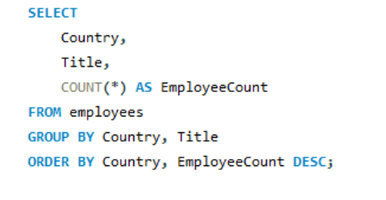
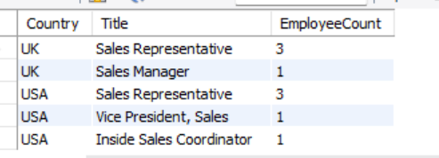
6. What is the geographic and title-wise distribution of employees?

7
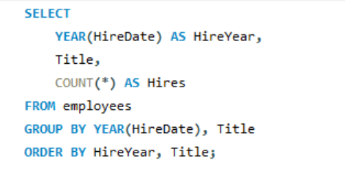
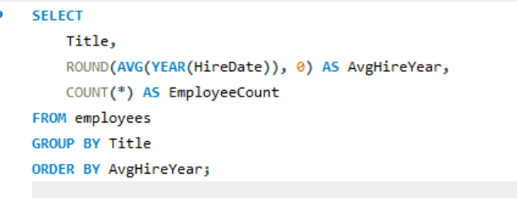

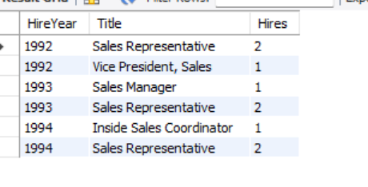
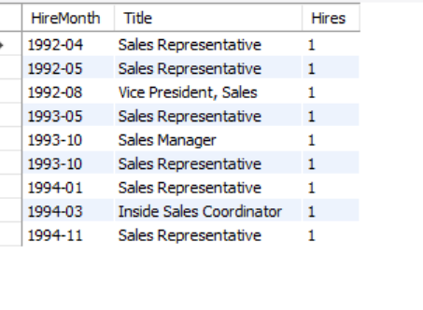
7. What trends can we observe in hire dates across employee titles?

8
8. What patterns exist in employee title and courtesy title distributions?
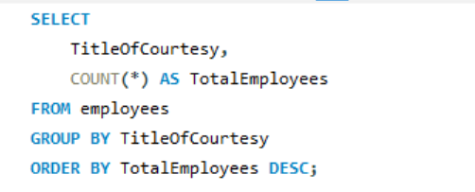
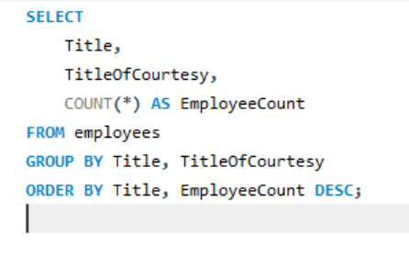

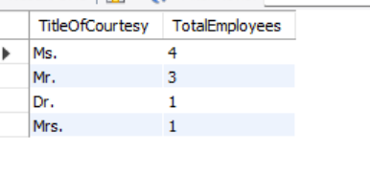
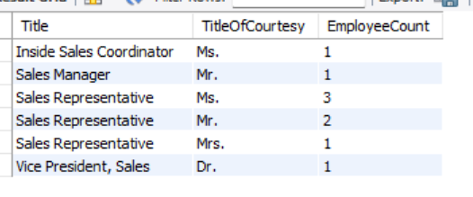

 | Sales Representative roles are held by all courtesy types except Dr., suggesting it's an inclusive position for different backgrounds and genders.
 | Leadership roles (e.g., Vice President, Sales) are associated with Dr., which may imply higher academic qualifications for top positions.
 | There are more women (Ms., Mrs. = 5) than men (Mr. = 3) in these sales-related employee roles, with one person holding a doctorate (Dr.).

9
9. Are there correlations between product pricing, stock levels, and sales performance?

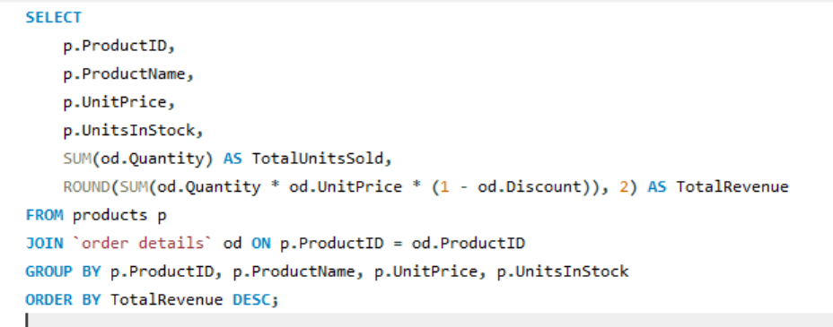

38 | Côte de Blaye | 263.5 | 17 | 623 | 141396.73
29 | Thüringer Rostbratwurst | 123.79 | 0 | 746 | 80368.67
59 | Raclette Courdavault | 55 | 79 | 1496 | 71155.7
62 | Tarte au sucre | 49.3 | 17 | 1083 | 47234.97
60 | Camembert Pierrot | 34 | 19 | 1577 | 46825.48
56 | Gnocchi di nonna Alice | 38 | 21 | 1263 | 42593.06
51 | Manjimup Dried Apples | 53 | 20 | 886 | 41819.65
17 | Alice Mutton | 39 | 0 | 978 | 32698.38
18 | Carnarvon Tigers | 62.5 | 42 | 539 | 29171.87
28 | Rössle Sauerkraut | 45.6 | 26 | 640 | 25696.64
72 | Mozzarella di Giovanni | 34.8 | 14 | 806 | 24900.13
43 | Ipoh Coffee | 46 | 17 | 580 | 23526.7 | Côte de Blaye stands out with both the highest unit price and revenue.
20 | Sir Rodney's Marmalade | 81 | 40 | 313 | 22563.36 | Most products are priced between $30 and $60, with varying revenue.
7 | Uncle Bob's Organic Dried Pears | 30 | 15 | 763 | 22044.3 | Some high-revenue products (e.g., Raclette Courdavault, Thüringer Rostbratwurst) have moderate to high prices, showing strong sales volume.
64 | Wimmers gute Semmelknödel | 33.25 | 22 | 740 | 21957.97 | Lower-priced products tend to cluster at the bottom-left with comparatively lower revenue.
69 | Gudbrandsdalsost | 36 | 26 | 714 | 21942.36
10 | Ikura | 31 | 31 | 742 | 20867.34
53 | Perth Pasties | 32.8 | 0 | 722 | 20574.17
26 | Gumbär Gummibärchen | 31.23 | 15 | 753 | 19849.14
71 | Fløtemysost | 21.5 | 26 | 1057 | 19551.02
40 | Boston Crab Meat | 18.4 | 123 | 1103 | 17910.63
55 | Pâté chinois | 24 | 115 | 903 | 17426.4
16 | Pavlova | 17.45 | 29 | 1158 | 17215.78
63 | Vegie-spread | 43.9 | 24 | 445 | 16701.09
2 | Chang | 19 | 17 | 1057 | 16355.96
76 | Lakkalikööri | 18 | 57 | 981 | 15760.44
27 | Schoggi Schokolade | 43.9 | 49 | 365 | 15099.88
31 | Gorgonzola Telino | 12.5 | 0 | 1397 | 14920.87
61 | Sirop d'érable | 28.5 | 113 | 603 | 14352.6
65 | Louisiana Fiery Hot Pepper Sauce | 21.05 | 76 | 745 | 13869.89
35 | Steeleye Stout | 18 | 20 | 883 | 13644
36 | Inlagd Sill | 19 | 112 | 805 | 13458.46
30 | Nord-Ost Matjeshering | 25.89 | 10 | 612 | 13424.2
11 | Queso Cabrales | 21 | 22 | 706 | 12901.77
1 | Chai | 18 | 39 | 828 | 12788.1
8 | Northwoods Cranberry Sauce | 40 | 6 | 372 | 12772
39 | Chartreuse verte | 18 | 69 | 793 | 12294.54
12 | Queso Manchego La Pastora | 38 | 86 | 344 | 12257.66
70 | Outback Lager | 15 | 15 | 817 | 10672.65
44 | Gula Malacca | 19.45 | 27 | 601 | 9915.94
49 | Maxilaku | 20 | 10 | 520 | 9244.6
77 | Original Frankfurter grüne Soße | 13 | 32 | 791 | 9171.63
21 | Sir Rodney's Scones | 10 | 3 | 1016 | 9104
68 | Scottish Longbreads | 12.5 | 6 | 799 | 8714
41 | Jack's New England Clam Chowder | 9.65 | 85 | 981 | 8680.34
42 | Singaporean Hokkien Fried Mee | 14 | 26 | 697 | 8575
4 | Chef Anton's Cajun Seasoning | 22 | 53 | 453 | 8567.9
32 | Mascarpone Fabioli | 32 | 9 | 297 | 8404.16
75 | Rhönbräu Klosterbier | 7.75 | 125 | 1155 | 8177.49
14 | Tofu | 23.25 | 35 | 404 | 7991.49
57 | Ravioli Angelo | 19.5 | 36 | 434 | 7661.55
9 | Mishi Kobe Niku | 97 | 29 | 95 | 7226.5
6 | Grandma's Boysenberry Spread | 25 | 120 | 301 | 7137
22 | Gustaf's Knäckebröd | 21 | 104 | 348 | 7122.36
34 | Sasquatch Ale | 14 | 111 | 506 | 6350.4
46 | Spegesild | 12 | 95 | 548 | 5883
58 | Escargots de Bourgogne | 13.25 | 62 | 534 | 5881.67
19 | Teatime Chocolate Biscuits | 9.2 | 25 | 723 | 5862.62
5 | Chef Anton's Gumbo Mix | 21.35 | 0 | 298 | 5347.2
13 | Konbu | 6 | 24 | 891 | 4960.44
54 | Tourtière | 7.45 | 21 | 755 | 4728.24
23 | Tunnbröd | 9 | 61 | 580 | 4601.7
24 | Guaraná Fantástica | 4.5 | 20 | 1125 | 4504.36
45 | Røgede sild | 9.5 | 5 | 508 | 4338.17
73 | Röd Kaviar | 15 | 101 | 293 | 3997.2
47 | Zaanse koeken | 9.5 | 36 | 485 | 3958.08
25 | NuNuCa Nuß-Nougat-Creme | 14 | 76 | 318 | 3704.4
50 | Valkoinen suklaa | 16.25 | 65 | 235 | 3437.69
66 | Louisiana Hot Spiced Okra | 17 | 4 | 239 | 3383
52 | Filo Mix | 7 | 38 | 500 | 3232.95
3 | Aniseed Syrup | 10 | 13 | 328 | 3044
37 | Gravad lax | 26 | 11 | 125 | 2688.4
74 | Longlife Tofu | 10 | 4 | 297 | 2432.5
67 | Laughing Lumberjack Lager | 14 | 52 | 184 | 2396.8
15 | Genen Shouyu | 15.5 | 39 | 122 | 1784.82
33 | Geitost | 2.5 | 112 | 755 | 1648.12
48 | Chocolade | 12.75 | 15 | 138 | 1368.71

10
10. How does product demand change over months or seasons?
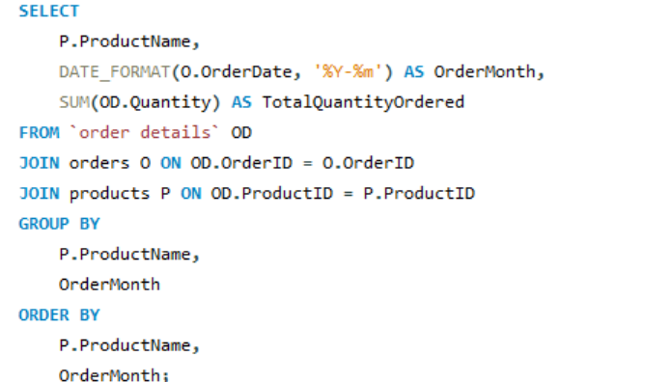
Pdt name | Order month | Qty ordered
Alice Mutton | 1994-08 | 30
Boston Crab Meat | 1994-08 | 50
Camembert Pierrot | 1994-08 | 40
Chang | 1994-08 | 105
Chartreuse verte | 1994-08 | 48
Chef Anton's Gumbo Mix | 1994-08 | 77
Geitost | 1994-08 | 85
Gnocchi di nonna Alice | 1994-08 | 2
Gorgonzola Telino | 1994-08 | 20
Gravad lax | 1994-08 | 1
Guaraná Fantástica | 1994-08 | 43
Gustaf's Knäckebröd | 1994-08 | 6
Inlagd Sill | 1994-08 | 25
Jack's New England Clam Chowder | 1994-08 | 51
Lakkalikööri | 1994-08 | 15
Longlife Tofu | 1994-08 | 57
Louisiana Fiery Hot Pepper Sauce | 1994-08 | 35 | Camembert Pierrot, Pâté chinois, and Raclette Courdavault often have high quantities in colder months (October through March), indicating seasonal popularity. Gnocchi di nonna Alice and Gorgonzola Telino show relatively consistent high demand across many months but with some peaks indicating monthly demand variations. Alice Mutton consistently ordered in substantial quantities across almost all months. Boston Crab Meat, Chang, Gnocchi di nonna Alice, Mozzarella di Giovanni, and Tarte au sucre show frequent high quantity orders.
Manjimup Dried Apples | 1994-08 | 75
Mascarpone Fabioli | 1994-08 | 6
Maxilaku | 1994-08 | 40
Mozzarella di Giovanni | 1994-08 | 29
Nord-Ost Matjeshering | 1994-08 | 60
Original Frankfurter grüne Soße | 1994-08 | 27
Outback Lager | 1994-08 | 41
Pâté chinois | 1994-08 | 21
Pavlova | 1994-08 | 95
Perth Pasties | 1994-08 | 15
Queso Cabrales | 1994-08 | 12
Queso Manchego La Pastora | 1994-08 | 12
Raclette Courdavault | 1994-08 | 100
Ravioli Angelo | 1994-08 | 65
Schoggi Schokolade | 1994-08 | 25
Singaporean Hokkien Fried Mee | 1994-08 | 10
Sir Rodney's Marmalade | 1994-08 | 40
Sir Rodney's Scones | 1994-08 | 30
Steeleye Stout | 1994-08 | 20
Tarte au sucre | 1994-08 | 15
Alice Mutton | 1994-09 | 30
Aniseed Syrup | 1994-09 | 30
Boston Crab Meat | 1994-09 | 100
Camembert Pierrot | 1994-09 | 76
Carnarvon Tigers | 1994-09 | 12
Chai | 1994-09 | 63
Chef Anton's Gumbo Mix | 1994-09 | 20
Fløtemysost | 1994-09 | 20
Geitost | 1994-09 | 44
Genen Shouyu | 1994-09 | 20
Gorgonzola Telino | 1994-09 | 55
Guaraná Fantástica | 1994-09 | 40
Gula Malacca | 1994-09 | 61
Ikura | 1994-09 | 39
Inlagd Sill | 1994-09 | 30
Ipoh Coffee | 1994-09 | 40
Konbu | 1994-09 | 30
Lakkalikööri | 1994-09 | 33
Laughing Lumberjack Lager | 1994-09 | 5
Manjimup Dried Apples | 1994-09 | 2
Maxilaku | 1994-09 | 15
Mozzarella di Giovanni | 1994-09 | 34
Nord-Ost Matjeshering | 1994-09 | 6
Original Frankfurter grüne Soße | 1994-09 | 10
Pâté chinois | 1994-09 | 20
Pavlova | 1994-09 | 40
Perth Pasties | 1994-09 | 36
Raclette Courdavault | 1994-09 | 21
Ravioli Angelo | 1994-09 | 2
Rhönbräu Klosterbier | 1994-09 | 42
Röd Kaviar | 1994-09 | 25
Rössle Sauerkraut | 1994-09 | 20
Sasquatch Ale | 1994-09 | 20
Schoggi Schokolade | 1994-09 | 15
Scottish Longbreads | 1994-09 | 3
Sir Rodney's Marmalade | 1994-09 | 26
Spegesild | 1994-09 | 15
Steeleye Stout | 1994-09 | 104
Tarte au sucre | 1994-09 | 52
Alice Mutton | 1994-10 | 40
Boston Crab Meat | 1994-10 | 50
Carnarvon Tigers | 1994-10 | 25
Chai | 1994-10 | 20
Chang | 1994-10 | 40
Chartreuse verte | 1994-10 | 90
Chef Anton's Cajun Seasoning | 1994-10 | 20
Escargots de Bourgogne | 1994-10 | 30
Fløtemysost | 1994-10 | 5
Gnocchi di nonna Alice | 1994-10 | 24
Grandma's Boysenberry Spread | 1994-10 | 30
Gudbrandsdalsost | 1994-10 | 23
Inlagd Sill | 1994-10 | 52
Ipoh Coffee | 1994-10 | 56
Jack's New England Clam Chowder | 1994-10 | 10
Louisiana Fiery Hot Pepper Sauce | 1994-10 | 30
Louisiana Hot Spiced Okra | 1994-10 | 30
Mascarpone Fabioli | 1994-10 | 40
Maxilaku | 1994-10 | 30
Mozzarella di Giovanni | 1994-10 | 20
Nord-Ost Matjeshering | 1994-10 | 10
Outback Lager | 1994-10 | 55
Pavlova | 1994-10 | 40
Perth Pasties | 1994-10 | 30
Queso Cabrales | 1994-10 | 12
Raclette Courdavault | 1994-10 | 40
Rhönbräu Klosterbier | 1994-10 | 10
Rössle Sauerkraut | 1994-10 | 32
Sasquatch Ale | 1994-10 | 14
Scottish Longbreads | 1994-10 | 38
Singaporean Hokkien Fried Mee | 1994-10 | 8
Tarte au sucre | 1994-10 | 125
Alice Mutton | 1994-11 | 98
Carnarvon Tigers | 1994-11 | 60
Chang | 1994-11 | 56
Chartreuse verte | 1994-11 | 4
Chef Anton's Cajun Seasoning | 1994-11 | 52
Côte de Blaye | 1994-11 | 20
Escargots de Bourgogne | 1994-11 | 30
Filo Mix | 1994-11 | 28
Fløtemysost | 1994-11 | 70
Geitost | 1994-11 | 8
Genen Shouyu | 1994-11 | 5
Gnocchi di nonna Alice | 1994-11 | 12
Gorgonzola Telino | 1994-11 | 85
Grandma's Boysenberry Spread | 1994-11 | 6
Gravad lax | 1994-11 | 28
Gumbär Gummibärchen | 1994-11 | 74
Inlagd Sill | 1994-11 | 60
Ipoh Coffee | 1994-11 | 40
Jack's New England Clam Chowder | 1994-11 | 32
Konbu | 1994-11 | 12
Lakkalikööri | 1994-11 | 36
Louisiana Fiery Hot Pepper Sauce | 1994-11 | 40
Manjimup Dried Apples | 1994-11 | 48
Mascarpone Fabioli | 1994-11 | 6
Mozzarella di Giovanni | 1994-11 | 90
Nord-Ost Matjeshering | 1994-11 | 58
NuNuCa Nuß-Nougat-Creme | 1994-11 | 4
Pâté chinois | 1994-11 | 40
Pavlova | 1994-11 | 21
Queso Cabrales | 1994-11 | 50
Raclette Courdavault | 1994-11 | 58
Ravioli Angelo | 1994-11 | 16
Rhönbräu Klosterbier | 1994-11 | 50
Rössle Sauerkraut | 1994-11 | 14
Scottish Longbreads | 1994-11 | 20
Singaporean Hokkien Fried Mee | 1994-11 | 10
Sir Rodney's Scones | 1994-11 | 10
Spegesild | 1994-11 | 30
Steeleye Stout | 1994-11 | 80
Tarte au sucre | 1994-11 | 28
Alice Mutton | 1994-12 | 36
Boston Crab Meat | 1994-12 | 4
Camembert Pierrot | 1994-12 | 143
Chai | 1994-12 | 27
Chartreuse verte | 1994-12 | 104
Chef Anton's Cajun Seasoning | 1994-12 | 35
Côte de Blaye | 1994-12 | 80
Fløtemysost | 1994-12 | 5
Gnocchi di nonna Alice | 1994-12 | 20
Gorgonzola Telino | 1994-12 | 120
Guaraná Fantástica | 1994-12 | 45
Gudbrandsdalsost | 1994-12 | 68
Gula Malacca | 1994-12 | 77
Gumbär Gummibärchen | 1994-12 | 16
Ikura | 1994-12 | 30
Inlagd Sill | 1994-12 | 20
Jack's New England Clam Chowder | 1994-12 | 13
Lakkalikööri | 1994-12 | 27
Louisiana Fiery Hot Pepper Sauce | 1994-12 | 30
Manjimup Dried Apples | 1994-12 | 20
Maxilaku | 1994-12 | 35
Northwoods Cranberry Sauce | 1994-12 | 140
NuNuCa Nuß-Nougat-Creme | 1994-12 | 60
Original Frankfurter grüne Soße | 1994-12 | 12
Pâté chinois | 1994-12 | 12
Pavlova | 1994-12 | 56
Queso Cabrales | 1994-12 | 36
Ravioli Angelo | 1994-12 | 50
Rhönbräu Klosterbier | 1994-12 | 18
Rössle Sauerkraut | 1994-12 | 43
Sasquatch Ale | 1994-12 | 46
Scottish Longbreads | 1994-12 | 4
Singaporean Hokkien Fried Mee | 1994-12 | 9
Sir Rodney's Scones | 1994-12 | 5
Camembert Pierrot | 1995-01 | 111
Carnarvon Tigers | 1995-01 | 9
Chai | 1995-01 | 15
Chang | 1995-01 | 25
Chartreuse verte | 1995-01 | 20
Chef Anton's Gumbo Mix | 1995-01 | 32
Côte de Blaye | 1995-01 | 40
Escargots de Bourgogne | 1995-01 | 95
Filo Mix | 1995-01 | 20
Fløtemysost | 1995-01 | 161
Geitost | 1995-01 | 60
Gnocchi di nonna Alice | 1995-01 | 38
Gorgonzola Telino | 1995-01 | 164
Guaraná Fantástica | 1995-01 | 30
Gudbrandsdalsost | 1995-01 | 58
Gumbär Gummibärchen | 1995-01 | 70
Ikura | 1995-01 | 16
Inlagd Sill | 1995-01 | 6
Jack's New England Clam Chowder | 1995-01 | 8
Konbu | 1995-01 | 48
Lakkalikööri | 1995-01 | 35
Longlife Tofu | 1995-01 | 84
Louisiana Fiery Hot Pepper Sauce | 1995-01 | 20
Manjimup Dried Apples | 1995-01 | 18
Mozzarella di Giovanni | 1995-01 | 87
Nord-Ost Matjeshering | 1995-01 | 18
NuNuCa Nuß-Nougat-Creme | 1995-01 | 7
Original Frankfurter grüne Soße | 1995-01 | 14
Outback Lager | 1995-01 | 60
Pâté chinois | 1995-01 | 135
Perth Pasties | 1995-01 | 130
Raclette Courdavault | 1995-01 | 12
Rössle Sauerkraut | 1995-01 | 26
Røgede sild | 1995-01 | 15
Sasquatch Ale | 1995-01 | 10
Scottish Longbreads | 1995-01 | 68
Sir Rodney's Marmalade | 1995-01 | 40
Sir Rodney's Scones | 1995-01 | 10
Spegesild | 1995-01 | 73
Steeleye Stout | 1995-01 | 70
Tarte au sucre | 1995-01 | 30
Alice Mutton | 1995-02 | 2
Aniseed Syrup | 1995-02 | 50
Boston Crab Meat | 1995-02 | 2
Camembert Pierrot | 1995-02 | 60
Chai | 1995-02 | 34
Chang | 1995-02 | 60
Chocolade | 1995-02 | 70
Côte de Blaye | 1995-02 | 99
Fløtemysost | 1995-02 | 75
Geitost | 1995-02 | 119
Gnocchi di nonna Alice | 1995-02 | 75
Gorgonzola Telino | 1995-02 | 14
Gravad lax | 1995-02 | 10
Gudbrandsdalsost | 1995-02 | 35
Gula Malacca | 1995-02 | 40
Gumbär Gummibärchen | 1995-02 | 62
Inlagd Sill | 1995-02 | 5
Jack's New England Clam Chowder | 1995-02 | 25
Konbu | 1995-02 | 2
Lakkalikööri | 1995-02 | 34
Longlife Tofu | 1995-02 | 15
Louisiana Fiery Hot Pepper Sauce | 1995-02 | 20
Maxilaku | 1995-02 | 60
Mishi Kobe Niku | 1995-02 | 20
Nord-Ost Matjeshering | 1995-02 | 18
Original Frankfurter grüne Soße | 1995-02 | 45
Outback Lager | 1995-02 | 8
Pâté chinois | 1995-02 | 10
Pavlova | 1995-02 | 21
Perth Pasties | 1995-02 | 25
Queso Cabrales | 1995-02 | 30
Raclette Courdavault | 1995-02 | 45
Ravioli Angelo | 1995-02 | 20
Röd Kaviar | 1995-02 | 20
Rössle Sauerkraut | 1995-02 | 42
Scottish Longbreads | 1995-02 | 66
Singaporean Hokkien Fried Mee | 1995-02 | 40
Sir Rodney's Scones | 1995-02 | 42
Sirop d'érable | 1995-02 | 16
Spegesild | 1995-02 | 22
Steeleye Stout | 1995-02 | 95
Tarte au sucre | 1995-02 | 75
Alice Mutton | 1995-03 | 105
Boston Crab Meat | 1995-03 | 70
Chang | 1995-03 | 55
Chartreuse verte | 1995-03 | 26
Chocolade | 1995-03 | 15
Filo Mix | 1995-03 | 35
Fløtemysost | 1995-03 | 82
Geitost | 1995-03 | 20
Gnocchi di nonna Alice | 1995-03 | 113
Gorgonzola Telino | 1995-03 | 3
Guaraná Fantástica | 1995-03 | 20
Gula Malacca | 1995-03 | 100
Gumbär Gummibärchen | 1995-03 | 61
Gustaf's Knäckebröd | 1995-03 | 12
Ikura | 1995-03 | 34
Ipoh Coffee | 1995-03 | 20
Jack's New England Clam Chowder | 1995-03 | 30
Lakkalikööri | 1995-03 | 18
Longlife Tofu | 1995-03 | 30
Louisiana Fiery Hot Pepper Sauce | 1995-03 | 63
Louisiana Hot Spiced Okra | 1995-03 | 60
Maxilaku | 1995-03 | 21
Mozzarella di Giovanni | 1995-03 | 50
Nord-Ost Matjeshering | 1995-03 | 28
Original Frankfurter grüne Soße | 1995-03 | 55
Outback Lager | 1995-03 | 25
Pâté chinois | 1995-03 | 180
Pavlova | 1995-03 | 85
Perth Pasties | 1995-03 | 65
Queso Cabrales | 1995-03 | 42
Queso Manchego La Pastora | 1995-03 | 15
Raclette Courdavault | 1995-03 | 106
Ravioli Angelo | 1995-03 | 15
Rhönbräu Klosterbier | 1995-03 | 28
Rössle Sauerkraut | 1995-03 | 57
Sasquatch Ale | 1995-03 | 20
Schoggi Schokolade | 1995-03 | 50
Scottish Longbreads | 1995-03 | 21
Sir Rodney's Scones | 1995-03 | 130
Sirop d'érable | 1995-03 | 115
Spegesild | 1995-03 | 35
Steeleye Stout | 1995-03 | 8
Tarte au sucre | 1995-03 | 35
Aniseed Syrup | 1995-04 | 20
Boston Crab Meat | 1995-04 | 61
Camembert Pierrot | 1995-04 | 60
Carnarvon Tigers | 1995-04 | 30
Chai | 1995-04 | 15
Chang | 1995-04 | 60
Chartreuse verte | 1995-04 | 20
Chef Anton's Cajun Seasoning | 1995-04 | 16
Côte de Blaye | 1995-04 | 30
Fløtemysost | 1995-04 | 12
Geitost | 1995-04 | 12
Gnocchi di nonna Alice | 1995-04 | 50
Gorgonzola Telino | 1995-04 | 35
Guaraná Fantástica | 1995-04 | 133
Gula Malacca | 1995-04 | 2
Gumbär Gummibärchen | 1995-04 | 30
Ikura | 1995-04 | 20
Ipoh Coffee | 1995-04 | 18
Konbu | 1995-04 | 1
Lakkalikööri | 1995-04 | 42
Longlife Tofu | 1995-04 | 16
Louisiana Hot Spiced Okra | 1995-04 | 60
Manjimup Dried Apples | 1995-04 | 46
Maxilaku | 1995-04 | 24
Nord-Ost Matjeshering | 1995-04 | 8
NuNuCa Nuß-Nougat-Creme | 1995-04 | 12
Original Frankfurter grüne Soße | 1995-04 | 30
Outback Lager | 1995-04 | 72
Pâté chinois | 1995-04 | 32
Pavlova | 1995-04 | 53
Perth Pasties | 1995-04 | 28
Queso Cabrales | 1995-04 | 30
Raclette Courdavault | 1995-04 | 102
Rhönbräu Klosterbier | 1995-04 | 10
Röd Kaviar | 1995-04 | 20
Rössle Sauerkraut | 1995-04 | 18
Røgede sild | 1995-04 | 30
Sasquatch Ale | 1995-04 | 35
Singaporean Hokkien Fried Mee | 1995-04 | 50
Sir Rodney's Scones | 1995-04 | 35
Spegesild | 1995-04 | 5
Boston Crab Meat | 1995-05 | 30
Camembert Pierrot | 1995-05 | 106
Carnarvon Tigers | 1995-05 | 25
Chai | 1995-05 | 40
Chang | 1995-05 | 12
Chartreuse verte | 1995-05 | 10
Chef Anton's Cajun Seasoning | 1995-05 | 50
Chocolade | 1995-05 | 15
Côte de Blaye | 1995-05 | 15
Filo Mix | 1995-05 | 6
Geitost | 1995-05 | 16
Genen Shouyu | 1995-05 | 12
Gnocchi di nonna Alice | 1995-05 | 154
Gorgonzola Telino | 1995-05 | 20
Guaraná Fantástica | 1995-05 | 37
Gudbrandsdalsost | 1995-05 | 10
Gula Malacca | 1995-05 | 24
Ikura | 1995-05 | 16
Ipoh Coffee | 1995-05 | 15
Jack's New England Clam Chowder | 1995-05 | 110
Konbu | 1995-05 | 10
Laughing Lumberjack Lager | 1995-05 | 30
Louisiana Fiery Hot Pepper Sauce | 1995-05 | 74
Louisiana Hot Spiced Okra | 1995-05 | 10
Mascarpone Fabioli | 1995-05 | 50
Maxilaku | 1995-05 | 25
Mishi Kobe Niku | 1995-05 | 16
Mozzarella di Giovanni | 1995-05 | 25
Nord-Ost Matjeshering | 1995-05 | 20
Northwoods Cranberry Sauce | 1995-05 | 34
NuNuCa Nuß-Nougat-Creme | 1995-05 | 78
Original Frankfurter grüne Soße | 1995-05 | 37
Outback Lager | 1995-05 | 20
Pavlova | 1995-05 | 50
Perth Pasties | 1995-05 | 21
Raclette Courdavault | 1995-05 | 64
Rhönbräu Klosterbier | 1995-05 | 122
Rössle Sauerkraut | 1995-05 | 66
Røgede sild | 1995-05 | 21
Schoggi Schokolade | 1995-05 | 120
Scottish Longbreads | 1995-05 | 36
Singaporean Hokkien Fried Mee | 1995-05 | 70
Sir Rodney's Marmalade | 1995-05 | 39
Sir Rodney's Scones | 1995-05 | 52
Sirop d'érable | 1995-05 | 40
Spegesild | 1995-05 | 9
Steeleye Stout | 1995-05 | 3
Tarte au sucre | 1995-05 | 3
Alice Mutton | 1995-06 | 73
Aniseed Syrup | 1995-06 | 60
Boston Crab Meat | 1995-06 | 35
Camembert Pierrot | 1995-06 | 35
Chai | 1995-06 | 8
Chef Anton's Cajun Seasoning | 1995-06 | 100
Côte de Blaye | 1995-06 | 34
Escargots de Bourgogne | 1995-06 | 20
Fløtemysost | 1995-06 | 9
Geitost | 1995-06 | 53
Gnocchi di nonna Alice | 1995-06 | 30
Gorgonzola Telino | 1995-06 | 135
Gravad lax | 1995-06 | 18
Guaraná Fantástica | 1995-06 | 35
Gudbrandsdalsost | 1995-06 | 28
Gula Malacca | 1995-06 | 40
Gumbär Gummibärchen | 1995-06 | 40
Gustaf's Knäckebröd | 1995-06 | 24
Ikura | 1995-06 | 2
Inlagd Sill | 1995-06 | 120
Ipoh Coffee | 1995-06 | 85
Jack's New England Clam Chowder | 1995-06 | 20
Konbu | 1995-06 | 18
Lakkalikööri | 1995-06 | 50
Laughing Lumberjack Lager | 1995-06 | 7
Louisiana Fiery Hot Pepper Sauce | 1995-06 | 36
Louisiana Hot Spiced Okra | 1995-06 | 24
Manjimup Dried Apples | 1995-06 | 54
Mascarpone Fabioli | 1995-06 | 24
Maxilaku | 1995-06 | 6
Mozzarella di Giovanni | 1995-06 | 55
Nord-Ost Matjeshering | 1995-06 | 35
Original Frankfurter grüne Soße | 1995-06 | 10
Outback Lager | 1995-06 | 7
Pâté chinois | 1995-06 | 14
Pavlova | 1995-06 | 84
Queso Cabrales | 1995-06 | 93
Queso Manchego La Pastora | 1995-06 | 45
Raclette Courdavault | 1995-06 | 17
Ravioli Angelo | 1995-06 | 5
Rhönbräu Klosterbier | 1995-06 | 30
Röd Kaviar | 1995-06 | 33
Rössle Sauerkraut | 1995-06 | 7
Røgede sild | 1995-06 | 100
Sasquatch Ale | 1995-06 | 10
Scottish Longbreads | 1995-06 | 55
Sir Rodney's Marmalade | 1995-06 | 15
Sir Rodney's Scones | 1995-06 | 21
Sirop d'érable | 1995-06 | 30
Steeleye Stout | 1995-06 | 56
Tarte au sucre | 1995-06 | 60
Alice Mutton | 1995-07 | 34
Boston Crab Meat | 1995-07 | 52
Camembert Pierrot | 1995-07 | 24
Carnarvon Tigers | 1995-07 | 18
Chai | 1995-07 | 10
Chartreuse verte | 1995-07 | 10
Filo Mix | 1995-07 | 100
Geitost | 1995-07 | 34
Genen Shouyu | 1995-07 | 10
Gnocchi di nonna Alice | 1995-07 | 100
Gorgonzola Telino | 1995-07 | 171
Guaraná Fantástica | 1995-07 | 43
Gudbrandsdalsost | 1995-07 | 10
Gula Malacca | 1995-07 | 31
Ikura | 1995-07 | 5
Inlagd Sill | 1995-07 | 25
Jack's New England Clam Chowder | 1995-07 | 21
Lakkalikööri | 1995-07 | 64
Louisiana Fiery Hot Pepper Sauce | 1995-07 | 30
Manjimup Dried Apples | 1995-07 | 93
Mascarpone Fabioli | 1995-07 | 10
Mozzarella di Giovanni | 1995-07 | 54
Nord-Ost Matjeshering | 1995-07 | 20
Original Frankfurter grüne Soße | 1995-07 | 18
Pâté chinois | 1995-07 | 43
Pavlova | 1995-07 | 12
Perth Pasties | 1995-07 | 43
Queso Cabrales | 1995-07 | 50
Raclette Courdavault | 1995-07 | 52
Ravioli Angelo | 1995-07 | 10
Rhönbräu Klosterbier | 1995-07 | 126
Röd Kaviar | 1995-07 | 3
Sasquatch Ale | 1995-07 | 40
Singaporean Hokkien Fried Mee | 1995-07 | 28
Steeleye Stout | 1995-07 | 20
Tarte au sucre | 1995-07 | 35
Alice Mutton | 1995-08 | 100
Aniseed Syrup | 1995-08 | 14
Boston Crab Meat | 1995-08 | 42
Camembert Pierrot | 1995-08 | 125
Carnarvon Tigers | 1995-08 | 40
Chai | 1995-08 | 29
Chang | 1995-08 | 10
Chartreuse verte | 1995-08 | 5
Chef Anton's Cajun Seasoning | 1995-08 | 20
Chocolade | 1995-08 | 6
Côte de Blaye | 1995-08 | 15
Escargots de Bourgogne | 1995-08 | 30
Filo Mix | 1995-08 | 28
Fløtemysost | 1995-08 | 39
Geitost | 1995-08 | 14
Genen Shouyu | 1995-08 | 25
Gnocchi di nonna Alice | 1995-08 | 47
Guaraná Fantástica | 1995-08 | 35
Gudbrandsdalsost | 1995-08 | 85
Gumbär Gummibärchen | 1995-08 | 11
Gustaf's Knäckebröd | 1995-08 | 48
Ikura | 1995-08 | 80
Inlagd Sill | 1995-08 | 76
Konbu | 1995-08 | 68
Lakkalikööri | 1995-08 | 94
Louisiana Fiery Hot Pepper Sauce | 1995-08 | 12
Maxilaku | 1995-08 | 43
Mozzarella di Giovanni | 1995-08 | 12
Original Frankfurter grüne Soße | 1995-08 | 85
Outback Lager | 1995-08 | 15
Pâté chinois | 1995-08 | 25
Pavlova | 1995-08 | 30
Queso Cabrales | 1995-08 | 14
Raclette Courdavault | 1995-08 | 85
Ravioli Angelo | 1995-08 | 20
Rhönbräu Klosterbier | 1995-08 | 70
Röd Kaviar | 1995-08 | 30
Schoggi Schokolade | 1995-08 | 50
Singaporean Hokkien Fried Mee | 1995-08 | 100
Sir Rodney's Marmalade | 1995-08 | 21
Sir Rodney's Scones | 1995-08 | 14
Sirop d'érable | 1995-08 | 120
Steeleye Stout | 1995-08 | 54
Boston Crab Meat | 1995-09 | 60
Camembert Pierrot | 1995-09 | 30
Carnarvon Tigers | 1995-09 | 82
Chai | 1995-09 | 40
Chang | 1995-09 | 100
Chartreuse verte | 1995-09 | 41
Chef Anton's Cajun Seasoning | 1995-09 | 35
Chef Anton's Gumbo Mix | 1995-09 | 15
Escargots de Bourgogne | 1995-09 | 6
Filo Mix | 1995-09 | 5
Fløtemysost | 1995-09 | 65
Geitost | 1995-09 | 20
Gnocchi di nonna Alice | 1995-09 | 80
Grandma's Boysenberry Spread | 1995-09 | 70
Guaraná Fantástica | 1995-09 | 23
Gudbrandsdalsost | 1995-09 | 20
Gula Malacca | 1995-09 | 10
Gumbär Gummibärchen | 1995-09 | 35
Gustaf's Knäckebröd | 1995-09 | 95
Ikura | 1995-09 | 18
Inlagd Sill | 1995-09 | 15
Ipoh Coffee | 1995-09 | 20
Konbu | 1995-09 | 13
Lakkalikööri | 1995-09 | 35
Louisiana Fiery Hot Pepper Sauce | 1995-09 | 21
Manjimup Dried Apples | 1995-09 | 15
Mozzarella di Giovanni | 1995-09 | 75
Nord-Ost Matjeshering | 1995-09 | 30
Original Frankfurter grüne Soße | 1995-09 | 35
Outback Lager | 1995-09 | 35
Pâté chinois | 1995-09 | 12
Perth Pasties | 1995-09 | 37
Queso Cabrales | 1995-09 | 10
Queso Manchego La Pastora | 1995-09 | 36
Rhönbräu Klosterbier | 1995-09 | 10
Röd Kaviar | 1995-09 | 35
Rössle Sauerkraut | 1995-09 | 45
Røgede sild | 1995-09 | 20
Scottish Longbreads | 1995-09 | 33
Singaporean Hokkien Fried Mee | 1995-09 | 5
Sir Rodney's Scones | 1995-09 | 97
Sirop d'érable | 1995-09 | 20
Spegesild | 1995-09 | 23
Steeleye Stout | 1995-09 | 30
Alice Mutton | 1995-10 | 30
Boston Crab Meat | 1995-10 | 144
Camembert Pierrot | 1995-10 | 135
Chartreuse verte | 1995-10 | 23
Chef Anton's Cajun Seasoning | 1995-10 | 12
Côte de Blaye | 1995-10 | 15
Escargots de Bourgogne | 1995-10 | 79
Filo Mix | 1995-10 | 9
Fløtemysost | 1995-10 | 26
Geitost | 1995-10 | 68
Genen Shouyu | 1995-10 | 50
Gnocchi di nonna Alice | 1995-10 | 57
Gorgonzola Telino | 1995-10 | 48
Gudbrandsdalsost | 1995-10 | 45
Gula Malacca | 1995-10 | 49
Gumbär Gummibärchen | 1995-10 | 45
Gustaf's Knäckebröd | 1995-10 | 20
Ikura | 1995-10 | 46
Inlagd Sill | 1995-10 | 36
Ipoh Coffee | 1995-10 | 6
Jack's New England Clam Chowder | 1995-10 | 168
Lakkalikööri | 1995-10 | 10
Laughing Lumberjack Lager | 1995-10 | 25
Louisiana Fiery Hot Pepper Sauce | 1995-10 | 37
Louisiana Hot Spiced Okra | 1995-10 | 4
Manjimup Dried Apples | 1995-10 | 40
Mishi Kobe Niku | 1995-10 | 50
Nord-Ost Matjeshering | 1995-10 | 2
Original Frankfurter grüne Soße | 1995-10 | 70
Outback Lager | 1995-10 | 40
Pâté chinois | 1995-10 | 4
Pavlova | 1995-10 | 93
Perth Pasties | 1995-10 | 10
Queso Manchego La Pastora | 1995-10 | 100
Raclette Courdavault | 1995-10 | 13
Rhönbräu Klosterbier | 1995-10 | 55
Röd Kaviar | 1995-10 | 50
Scottish Longbreads | 1995-10 | 10
Singaporean Hokkien Fried Mee | 1995-10 | 96
Sir Rodney's Marmalade | 1995-10 | 21
Sir Rodney's Scones | 1995-10 | 72
Spegesild | 1995-10 | 105
Alice Mutton | 1995-11 | 55
Aniseed Syrup | 1995-11 | 6
Camembert Pierrot | 1995-11 | 10
Carnarvon Tigers | 1995-11 | 12
Chai | 1995-11 | 70
Chang | 1995-11 | 38
Chef Anton's Cajun Seasoning | 1995-11 | 6
Chef Anton's Gumbo Mix | 1995-11 | 4
Chocolade | 1995-11 | 24
Escargots de Bourgogne | 1995-11 | 42
Fløtemysost | 1995-11 | 118
Gnocchi di nonna Alice | 1995-11 | 68
Gorgonzola Telino | 1995-11 | 70
Guaraná Fantástica | 1995-11 | 55
Gudbrandsdalsost | 1995-11 | 55
Gula Malacca | 1995-11 | 74
Gumbär Gummibärchen | 1995-11 | 45
Ikura | 1995-11 | 73
Inlagd Sill | 1995-11 | 45
Ipoh Coffee | 1995-11 | 64
Jack's New England Clam Chowder | 1995-11 | 42
Lakkalikööri | 1995-11 | 50
Louisiana Fiery Hot Pepper Sauce | 1995-11 | 65
Manjimup Dried Apples | 1995-11 | 35
Mascarpone Fabioli | 1995-11 | 4
Mishi Kobe Niku | 1995-11 | 6
Nord-Ost Matjeshering | 1995-11 | 3
Northwoods Cranberry Sauce | 1995-11 | 50
Original Frankfurter grüne Soße | 1995-11 | 30
Outback Lager | 1995-11 | 116
Pâté chinois | 1995-11 | 21
Pavlova | 1995-11 | 40
Perth Pasties | 1995-11 | 123
Queso Cabrales | 1995-11 | 15
Queso Manchego La Pastora | 1995-11 | 40
Raclette Courdavault | 1995-11 | 110
Ravioli Angelo | 1995-11 | 40
Rhönbräu Klosterbier | 1995-11 | 42
Röd Kaviar | 1995-11 | 50
Rössle Sauerkraut | 1995-11 | 60
Røgede sild | 1995-11 | 110
Sasquatch Ale | 1995-11 | 26
Scottish Longbreads | 1995-11 | 85
Sir Rodney's Scones | 1995-11 | 37
Sirop d'érable | 1995-11 | 15
Spegesild | 1995-11 | 42
Steeleye Stout | 1995-11 | 30
Alice Mutton | 1995-12 | 20
Aniseed Syrup | 1995-12 | 20
Boston Crab Meat | 1995-12 | 99
Camembert Pierrot | 1995-12 | 65
Carnarvon Tigers | 1995-12 | 45
Chai | 1995-12 | 58
Chang | 1995-12 | 15
Chef Anton's Cajun Seasoning | 1995-12 | 25
Filo Mix | 1995-12 | 107
...

12
12. Are there any regional trends in supplier distribution and pricing?
Country | Supplier count | Pdt | Country | Avgunitprice
USA | 4 | Alice Mutton | Australia | 39 | 1. Germany has some of the highest average unit prices, with notable premium products such as: Thüringer Rostbratwurst at 123.79 Rössle Sauerkraut at 45.6 Schoggi Schokolade at 43.9 Wimmers gute Semmelknödel at 33.25 Nord-Ost Matjeshering at 25.89 2. Other high-value products from Germany indicate a strong presence of specialty or gourmet items. France also shows premium pricing on products like: Côte de Blaye priced at 263.5 (very high) Raclette Courdavault at 55 3. Other mid- to high-priced items like Camembert Pierrot (34) and Chartreuse verte (18) Japan features a range of mid-priced products, including: Mishi Kobe Niku at 97 (very high) Ikura at 31 4. Other moderately priced items like Genen Shouyu and Tofu at 15.5 and 23.25 Australia offers a mix, with products ranging from modest prices like: Filo Mix at 7 5. To high-mid range like Manjimup Dried Apples at 53 and Vegie-spread at 43.9 USA presents mostly mid to low prices on products such as: Alice Mutton at 39 Chef Anton's Cajun Seasoning at 22 Jack's New England Clam Chowder at 9.65 Some moderately priced specialty items like Northwoods Cranberry Sauce at 40
France | 3 | Aniseed Syrup | UK | 10
Germany | 3 | Boston Crab Meat | USA | 18.4
Australia | 2 | Camembert Pierrot | France | 34
Canada | 2 | Carnarvon Tigers | Australia | 62.5
Italy | 2 | Chai | UK | 18
Japan | 2 | Chang | UK | 19
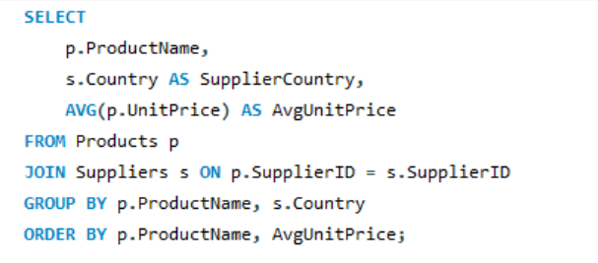
Sweden | 2 | Chartreuse verte | France | 18
UK | 2 | Chef Anton's Cajun Seasoning | USA | 22
Brazil | 1 | Chef Anton's Gumbo Mix | USA | 21.35
Denmark | 1 | Chocolade | Netherlands | 12.75
Finland | 1 | Côte de Blaye | France | 263.5
Netherlands | 1 | Escargots de Bourgogne | France | 13.25
Norway | 1 | Filo Mix | Australia | 7
Singapore | 1 | Fløtemysost | Norway | 21.5
Spain | 1 | Geitost | Norway | 2.5
 |  | Genen Shouyu | Japan | 15.5
 |  | Gnocchi di nonna Alice | Italy | 38
 |  | Gorgonzola Telino | Italy | 12.5
 |  | Grandma's Boysenberry Spread | USA | 25
 |  | Gravad lax | Sweden | 26
 |  | Guaraná Fantástica | Brazil | 4.5
 |  | Gudbrandsdalsost | Norway | 36
...

13
13. How are suppliers distributed across different product categories?

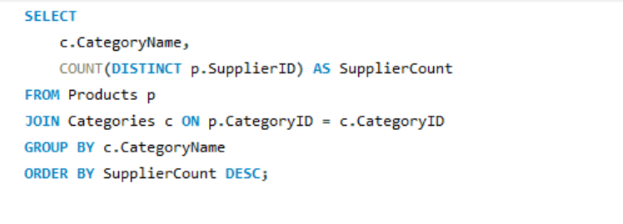
 | Category | Count of Suppliers
 | Beverages | 8
 | Condiments | 8
 | Seafood | 8
 | Confections | 6
 | Grains/Cereals | 5
 | Meat/Poultry | 5
 | Produce | 5
 | Dairy Products | 4

14
14. How do supplier pricing and categories relate across different regions?

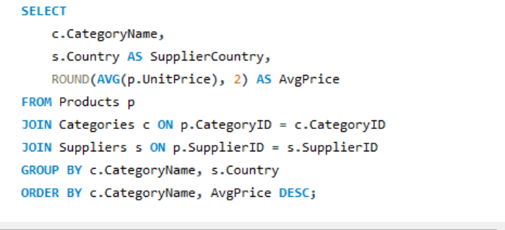
Category | Suppliercountry | Avgprice
Beverages | France | 140.75
Beverages | Singapore | 46
Beverages | UK | 18.5
Beverages | Finland | 18
Beverages | USA | 15.33
Beverages | Australia | 15
Beverages | Germany | 7.75
Beverages | Brazil | 4.5
Condiments | Australia | 43.9
Condiments | Canada | 28.5
Condiments | USA | 24.4
Condiments | Singapore | 19.45
Condiments | Japan | 15.5 | Beverages: Highest average price from France (140.75), likely driven by premium wines or specialty drinks. Other countries like Singapore (46), UK (18.5), Finland (18), and USA (15.33) show moderate to low average prices, indicating a wide range of product pricing within beverages. Germany (7.75) and Brazil (4.5) have the lowest averages, possibly reflecting more mainstream or mass-market beverage products. Condiments: Australia leads with a notably high average price (43.9), potentially due to gourmet or specialty items in this category. Canada (28.5), USA (24.4), and Singapore (19.45) show moderate pricing. Japan (15.5), Germany (13), and UK (10) have lower average prices, possibly reflecting more common or mass-produced condiments. Confections: Canada (49.3) and Germany (29.71) have the highest average prices, indicating premium sweets or chocolates. UK (28.18) and Finland (18.13) are moderate in price, while Australia (17.45) and the Netherlands (11.13) have more affordable averages. Dairy Products: France leads again with high average prices (44.5), reflecting high-quality cheeses or dairy delicacies. Spain (29.5), Italy (26.43), and Norway (20) have mid-tier pricing, showing regional differences in dairy product pricing. Grains/Cereals: Germany and Italy have higher averages (33.25 and 28.75 respectively), suggesting premium or artisanal grain products. Sweden (15), Singapore (14), and Australia (7) have lower averages, likely reflecting basic cereals or staples. Meat/Poultry: Germany (123.79) and Japan (97) exhibit very high averages, indicating premium meat products such as sausages or Kobe beef. Australia (35.9) and Canada (15.73) show lower averages, possibly reflecting a wider range of meat products including more ffordable options. Produce: Australia (53) and Germany (45.6) lead in average price, suggesting specialty or organic produce. USA (30) and Japan (16.63) have moderate and lower prices, indicating regional differences or pro
Condiments | Germany | 13
Condiments | UK | 10
Confections | Canada | 49.3
Confections | Germany | 29.71
Confections | UK | 28.18
Confections | Finland | 18.13
Confections | Australia | 17.45
Confections | Netherlands | 11.13
...

